입고 TR #22 => SC #1
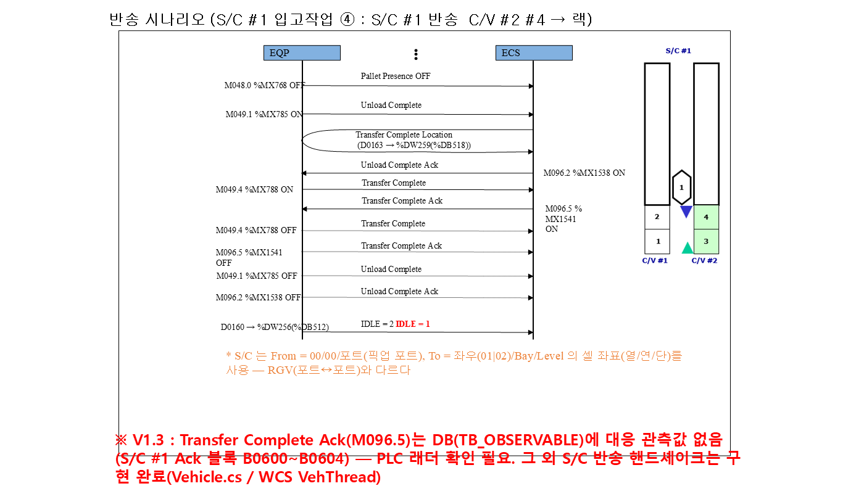
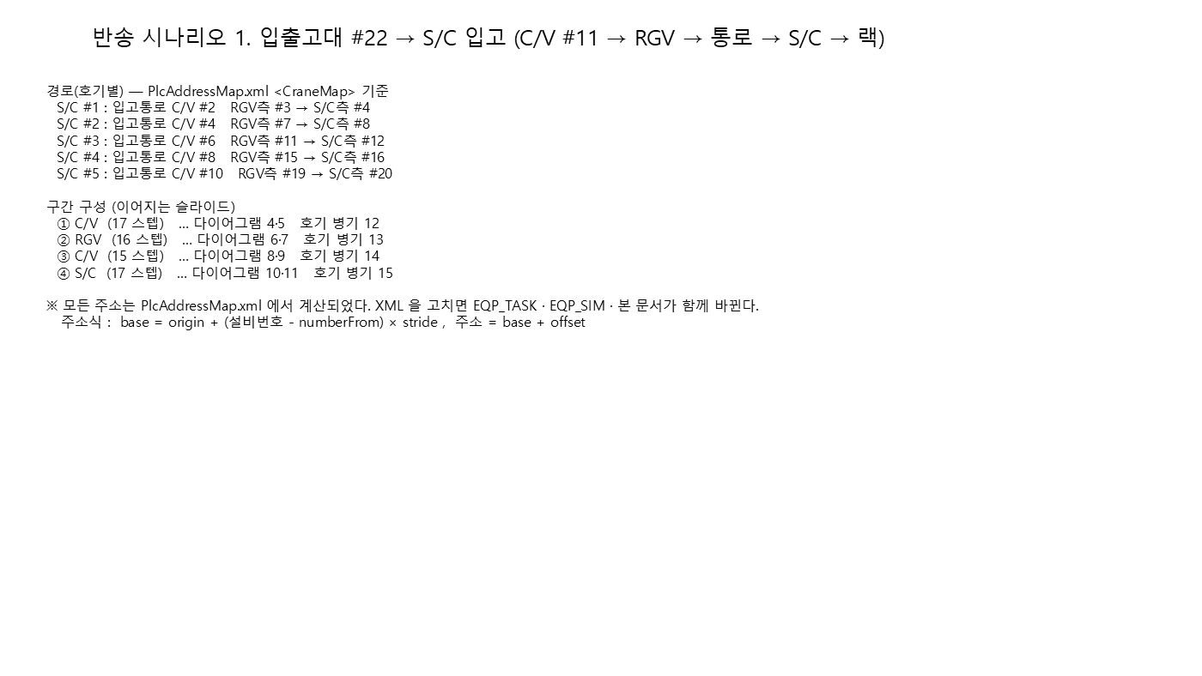
▼ 반송 시나리오 (시작 → 끝) — 시나리오 1 입출고대 #22 → S/C 입고 | 입출고대(22번 트랙-C/V#11) → S/C #1 입고작업 (시작 → 끝)
개요 + 구간 다이어그램 ①→④ (좌→우, 위→아래). 오른쪽 표의 '구간' 열과 대응한다.
 | # | 구간 | 주체 | 신호 / 설명 | 1호기 | 2호기 | 3호기 | 4호기 | 5호기
 | 1 | CV #11 | EQP BIT ON | 입출고대 #22 적재 감지 (작업자 투입) | C/V #11 %MX593 | C/V #11 %MX593 | C/V #11 %MX593 | C/V #11 %MX593 | C/V #11 %MX593
 | 2 |  | EQP BIT ON | Load Complete #2 ON (적재 완료) | C/V #11 %MX580 | C/V #11 %MX580 | C/V #11 %MX580 | C/V #11 %MX580 | C/V #11 %MX580
 | 3 |  | WCS BIT ON | Load Complete Ack #2 ON (WCS) | C/V #11 %MX1444 | C/V #11 %MX1444 | C/V #11 %MX1444 | C/V #11 %MX1444 | C/V #11 %MX1444
 | 4 |  | EQP BIT OFF | Load Complete #2 OFF | C/V #11 %MX580 | C/V #11 %MX580 | C/V #11 %MX580 | C/V #11 %MX580 | C/V #11 %MX580
 | 5 |  | EQP BIT OFF | Load Complete Ack #2 OFF (설비 리셋) | C/V #11 %MX1444 | C/V #11 %MX1444 | C/V #11 %MX1444 | C/V #11 %MX1444 | C/V #11 %MX1444
 | 6 |  | WCS 값 | 방향 확인 - 입고 '0' | C/V #11 %DW490 | C/V #11 %DW490 | C/V #11 %DW490 | C/V #11 %DW490 | C/V #11 %DW490
 | 7 |  | WCS 값 | JOB NO 최초 기록 (적재 위치) | C/V #11 %RB516 | C/V #11 %RB516 | C/V #11 %RB516 | C/V #11 %RB516 | C/V #11 %RB516
 | 8 |  | EQP BIT OFF | 적재 위치 Pallet Exist OFF (ID Shift) | C/V #11 %MX593 | C/V #11 %MX593 | C/V #11 %MX593 | C/V #11 %MX593 | C/V #11 %MX593
 | 9 |  | EQP BIT ON | 반출 위치 Pallet Exist ON (도착) | C/V #11 %MX592 | C/V #11 %MX592 | C/V #11 %MX592 | C/V #11 %MX592 | C/V #11 %MX592
 | 10 |  | WCS 값 | PLC ID Shift 결과 : JOB 이 반출 위치로 이동 | C/V #11 %RB512 | C/V #11 %RB512 | C/V #11 %RB512 | C/V #11 %RB512 | C/V #11 %RB512
 | 11 |  | EQP BIT ON | W.O 보고 (RGV Call) | C/V #11 %MX582 | C/V #11 %MX582 | C/V #11 %MX582 | C/V #11 %MX582 | C/V #11 %MX582
 | 12 |  | EQP BIT OFF | 반출 위치 Pallet Exist OFF (RGV Load 완료) | C/V #11 %MX592 | C/V #11 %MX592 | C/V #11 %MX592 | C/V #11 %MX592 | C/V #11 %MX592
① 구간 (1/2)
 | 13 |  | EQP BIT ON | Unload Complete #1 ON (RGV 픽업) | C/V #11 %MX577 | C/V #11 %MX577 | C/V #11 %MX577 | C/V #11 %MX577 | C/V #11 %MX577
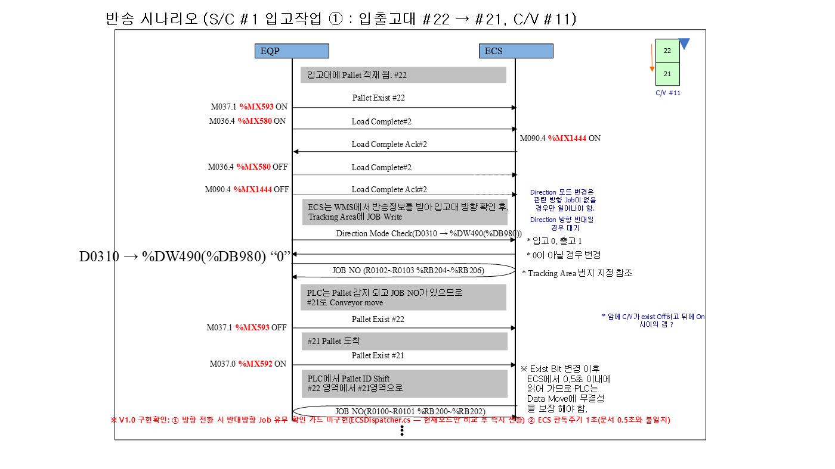
 | 14 |  | WCS BIT ON | Unload Complete Ack #1 ON (WCS) | C/V #11 %MX1441 | C/V #11 %MX1441 | C/V #11 %MX1441 | C/V #11 %MX1441 | C/V #11 %MX1441
 | 15 |  | EQP BIT OFF | Unload Complete #1 OFF | C/V #11 %MX577 | C/V #11 %MX577 | C/V #11 %MX577 | C/V #11 %MX577 | C/V #11 %MX577
 | 16 |  | EQP BIT OFF | Unload Complete Ack #1 OFF (설비 리셋) | C/V #11 %MX1441 | C/V #11 %MX1441 | C/V #11 %MX1441 | C/V #11 %MX1441 | C/V #11 %MX1441
 | 17 |  | EQP BIT OFF | W.O OFF | C/V #11 %MX582 | C/V #11 %MX582 | C/V #11 %MX582 | C/V #11 %MX582 | C/V #11 %MX582
 | 18 | RGV #1 | WCS 값 | IDLE=1 확인 | RGV #1 %DW336 | RGV #1 %DW336 | RGV #1 %DW336 | RGV #1 %DW336 | RGV #1 %DW336
 | 19 |  | WCS BIT ON | Transfer Command Req’ (WCS 지시) | RGV #1 %MX1616 | RGV #1 %MX1616 | RGV #1 %MX1616 | RGV #1 %MX1616 | RGV #1 %MX1616
 | 20 |  | WCS 값 | Transfer Command Data - From (픽업 포트) | RGV #1 %DW848 | RGV #1 %DW848 | RGV #1 %DW848 | RGV #1 %DW848 | RGV #1 %DW848
 | 21 |  | WCS 값 | Transfer Command Data - To (통로 C/V RGV측 포트) | RGV #1 %DW851 | RGV #1 %DW851 | RGV #1 %DW851 | RGV #1 %DW851 | RGV #1 %DW851
 | 22 |  | WCS 값 | Transfer Command Data - Job No | RGV #1 %DW854 | RGV #1 %DW854 | RGV #1 %DW854 | RGV #1 %DW854 | RGV #1 %DW854
 | 23 |  | EQP BIT ON | Pallet Presence ON (RGV 적재) | RGV #1 %MX928 | RGV #1 %MX928 | RGV #1 %MX928 | RGV #1 %MX928 | RGV #1 %MX928
 | 24 |  | WCS 값 | On RGV - 탑재 화물번호 | RGV #1 %RB1568 | RGV #1 %RB1568 | RGV #1 %RB1568 | RGV #1 %RB1568 | RGV #1 %RB1568
 | 25 |  | EQP BIT ON | Load Complete ON | RGV #1 %MX944 | RGV #1 %MX944 | RGV #1 %MX944 | RGV #1 %MX944 | RGV #1 %MX944
 | 26 |  | WCS BIT ON | Load Complete Ack ON (WCS) | RGV #1 %MX1617 | RGV #1 %MX1617 | RGV #1 %MX1617 | RGV #1 %MX1617 | RGV #1 %MX1617
 | 27 |  | WCS 값 | Transfer Complete Location | RGV #1 %DW339 | RGV #1 %DW339 | RGV #1 %DW339 | RGV #1 %DW339 | RGV #1 %DW339
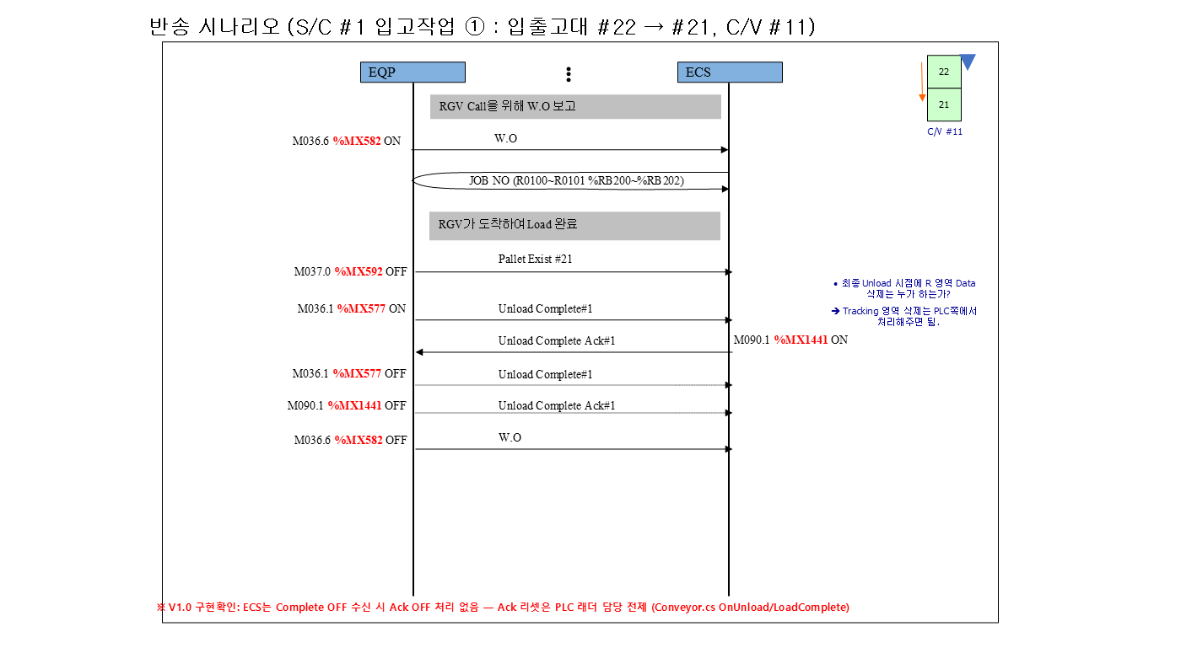
① 구간 (2/2)
 | 28 |  | EQP BIT OFF | Load Complete OFF | RGV #1 %MX944 | RGV #1 %MX944 | RGV #1 %MX944 | RGV #1 %MX944 | RGV #1 %MX944
 | 29 |  | EQP BIT OFF | Pallet Presence OFF (하역) | RGV #1 %MX928 | RGV #1 %MX928 | RGV #1 %MX928 | RGV #1 %MX928 | RGV #1 %MX928
 | 30 |  | EQP BIT ON | Unload Complete ON | RGV #1 %MX945 | RGV #1 %MX945 | RGV #1 %MX945 | RGV #1 %MX945 | RGV #1 %MX945
 | 31 |  | WCS BIT ON | Unload Complete Ack ON (WCS) | RGV #1 %MX1618 | RGV #1 %MX1618 | RGV #1 %MX1618 | RGV #1 %MX1618 | RGV #1 %MX1618
 | 32 |  | EQP BIT OFF | Unload Complete OFF | RGV #1 %MX945 | RGV #1 %MX945 | RGV #1 %MX945 | RGV #1 %MX945 | RGV #1 %MX945
 | 33 |  | WCS 값 | IDLE 복귀 | RGV #1 %DW336 | RGV #1 %DW336 | RGV #1 %DW336 | RGV #1 %DW336 | RGV #1 %DW336
 | 34 | 통로 CV (CV #2, CV #4, CV #6, CV #8, CV #10) | EQP BIT ON | RGV측 Pallet Exist ON (RGV 하역 완료) | C/V #2 %MX304 | C/V #4 %MX368 | C/V #6 %MX432 | C/V #8 %MX496 | C/V #10 %MX560
 | 35 |  | EQP BIT ON | Load Complete #1 ON | C/V #2 %MX290 | C/V #4 %MX354 | C/V #6 %MX418 | C/V #8 %MX482 | C/V #10 %MX546
 | 36 |  | WCS BIT ON | Load Complete Ack #1 ON (WCS) | C/V #2 %MX1298 | C/V #4 %MX1330 | C/V #6 %MX1362 | C/V #8 %MX1394 | C/V #10 %MX1426
 | 37 |  | EQP BIT OFF | Load Complete #1 OFF | C/V #2 %MX290 | C/V #4 %MX354 | C/V #6 %MX418 | C/V #8 %MX482 | C/V #10 %MX546
 | 38 |  | WCS 값 | 방향 확인 - 입고 '0' | C/V #2 %DW481 | C/V #4 %DW483 | C/V #6 %DW485 | C/V #8 %DW487 | C/V #10 %DW489
 | 39 |  | WCS 값 | JOB NO 기록 (RGV측 위치) | C/V #2 %RB32 | C/V #4 %RB96 | C/V #6 %RB160 | C/V #8 %RB224 | C/V #10 %RB288
 | 40 |  | EQP BIT OFF | RGV측 Pallet Exist OFF (ID Shift) | C/V #2 %MX304 | C/V #4 %MX368 | C/V #6 %MX432 | C/V #8 %MX496 | C/V #10 %MX560
 | 41 |  | EQP BIT ON | S/C측 Pallet Exist ON (도착) | C/V #2 %MX305 | C/V #4 %MX369 | C/V #6 %MX433 | C/V #8 %MX497 | C/V #10 %MX561
 | 42 |  | WCS 값 | PLC ID Shift 결과 : JOB 이 S/C측으로 이동 | C/V #2 %RB36 | C/V #4 %RB100 | C/V #6 %RB164 | C/V #8 %RB228 | C/V #10 %RB292
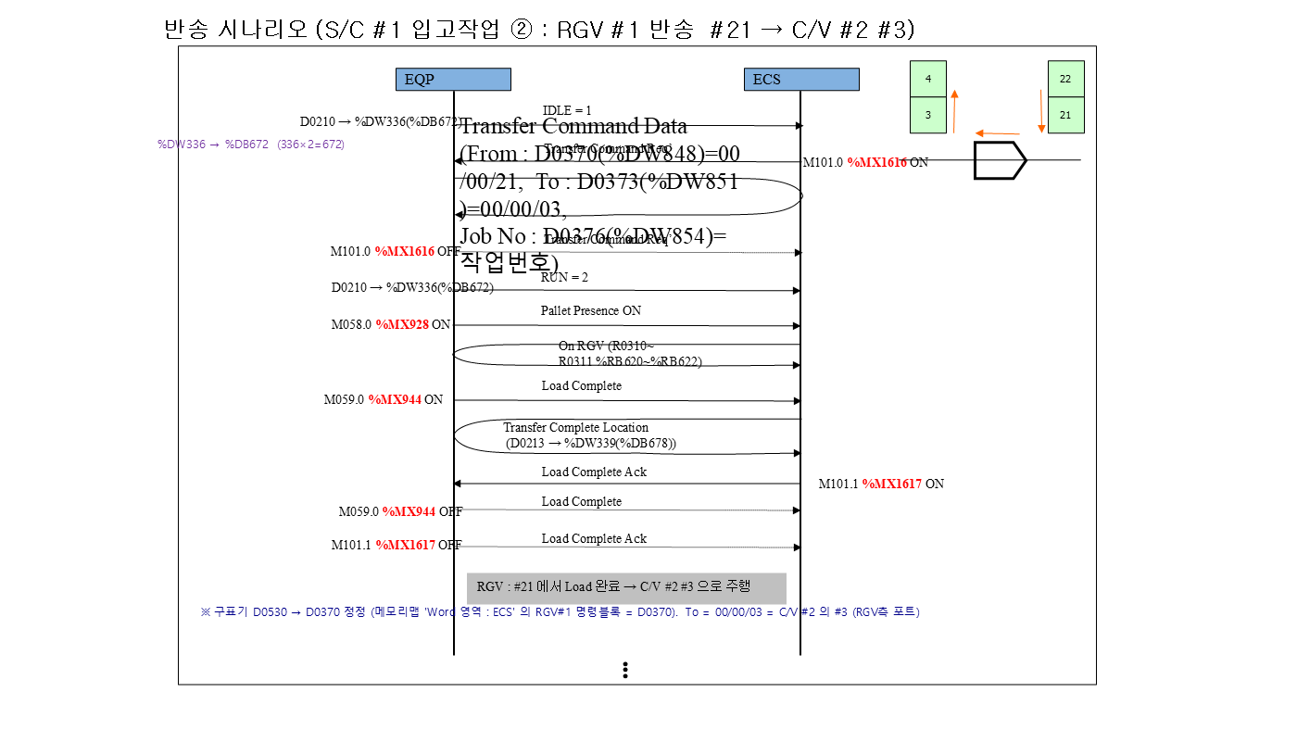
② 구간 (1/2)
 | 43 |  | EQP BIT ON | W.O 보고 (S/C Call) | C/V #2 %MX294 | C/V #4 %MX358 | C/V #6 %MX422 | C/V #8 %MX486 | C/V #10 %MX550
 | 44 |  | EQP BIT OFF | S/C측 Pallet Exist OFF (S/C Load 완료) | C/V #2 %MX305 | C/V #4 %MX369 | C/V #6 %MX433 | C/V #8 %MX497 | C/V #10 %MX561
 | 45 |  | EQP BIT ON | Unload Complete #2 ON (S/C 픽업) | C/V #2 %MX291 | C/V #4 %MX355 | C/V #6 %MX419 | C/V #8 %MX483 | C/V #10 %MX547
 | 46 |  | WCS BIT ON | Unload Complete Ack #2 ON (WCS) | C/V #2 %MX1299 | C/V #4 %MX1331 | C/V #6 %MX1363 | C/V #8 %MX1395 | C/V #10 %MX1427
 | 47 |  | EQP BIT OFF | Unload Complete #2 OFF | C/V #2 %MX291 | C/V #4 %MX355 | C/V #6 %MX419 | C/V #8 %MX483 | C/V #10 %MX547
 | 48 |  | EQP BIT OFF | W.O OFF | C/V #2 %MX294 | C/V #4 %MX358 | C/V #6 %MX422 | C/V #8 %MX486 | C/V #10 %MX550
 | 49 | SC 반송 | WCS 값 | IDLE=1 확인 | S/C #1 %DW256 | S/C #2 %DW272 | S/C #3 %DW288 | S/C #4 %DW304 | S/C #5 %DW320
 | 50 |  | WCS BIT ON | Transfer Command Req’ (WCS 지시) | S/C #1 %MX1536 | S/C #2 %MX1552 | S/C #3 %MX1568 | S/C #4 %MX1584 | S/C #5 %MX1600
 | 51 |  | WCS 값 | Transfer Command Data - From (픽업 포트) | S/C #1 %DW768 | S/C #2 %DW784 | S/C #3 %DW800 | S/C #4 %DW816 | S/C #5 %DW832
 | 52 |  | WCS 값 | Transfer Command Data - To (랙 셀(열/연/단)) | S/C #1 %DW771 | S/C #2 %DW787 | S/C #3 %DW803 | S/C #4 %DW819 | S/C #5 %DW835
 | 53 |  | WCS 값 | Transfer Command Data - Job No | S/C #1 %DW774 | S/C #2 %DW790 | S/C #3 %DW806 | S/C #4 %DW822 | S/C #5 %DW838
 | 54 |  | EQP BIT ON | Pallet Presence ON (S/C 적재) | S/C #1 %MX768 | S/C #2 %MX800 | S/C #3 %MX832 | S/C #4 %MX864 | S/C #5 %MX896
 | 55 |  | WCS 값 | On S/C - 탑재 화물번호 | S/C #1 %RB1536 | S/C #2 %RB1540 | S/C #3 %RB1544 | S/C #4 %RB1548 | S/C #5 %RB1552
 | 56 |  | EQP BIT ON | Load Complete ON | S/C #1 %MX784 | S/C #2 %MX816 | S/C #3 %MX848 | S/C #4 %MX880 | S/C #5 %MX912
② 구간 (2/2)
 | 57 |  | WCS BIT ON | Load Complete Ack ON (WCS) | S/C #1 %MX1537 | S/C #2 %MX1553 | S/C #3 %MX1569 | S/C #4 %MX1585 | S/C #5 %MX1601
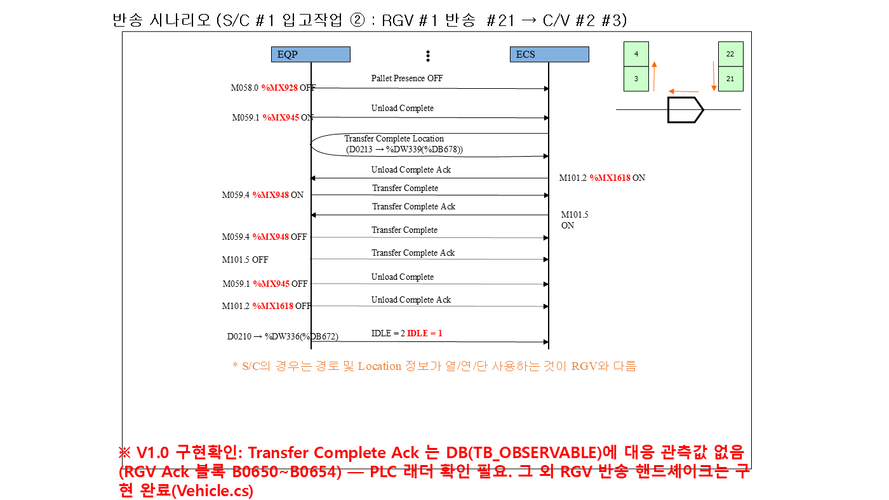
 | 58 |  | WCS 값 | S/C 현재위치(열/연/단) | S/C #1 %DW262 | S/C #2 %DW278 | S/C #3 %DW294 | S/C #4 %DW310 | S/C #5 %DW326
 | 59 |  | EQP BIT OFF | Load Complete OFF | S/C #1 %MX784 | S/C #2 %MX816 | S/C #3 %MX848 | S/C #4 %MX880 | S/C #5 %MX912
 | 60 |  | EQP BIT OFF | Pallet Presence OFF (랙 적치 완료) | S/C #1 %MX768 | S/C #2 %MX800 | S/C #3 %MX832 | S/C #4 %MX864 | S/C #5 %MX896
 | 61 |  | EQP BIT ON | Unload Complete ON | S/C #1 %MX785 | S/C #2 %MX817 | S/C #3 %MX849 | S/C #4 %MX881 | S/C #5 %MX913
 | 62 |  | WCS BIT ON | Unload Complete Ack ON (WCS) | S/C #1 %MX1538 | S/C #2 %MX1554 | S/C #3 %MX1570 | S/C #4 %MX1586 | S/C #5 %MX1602
 | 63 |  | WCS 값 | Transfer Complete Location | S/C #1 %DW259 | S/C #2 %DW275 | S/C #3 %DW291 | S/C #4 %DW307 | S/C #5 %DW323
 | 64 |  | EQP BIT OFF | Unload Complete OFF | S/C #1 %MX785 | S/C #2 %MX817 | S/C #3 %MX849 | S/C #4 %MX881 | S/C #5 %MX913
 | 65 |  | WCS 값 | IDLE 복귀 | S/C #1 %DW256 | S/C #2 %DW272 | S/C #3 %DW288 | S/C #4 %DW304 | S/C #5 %DW320

③ 구간 (1/2)
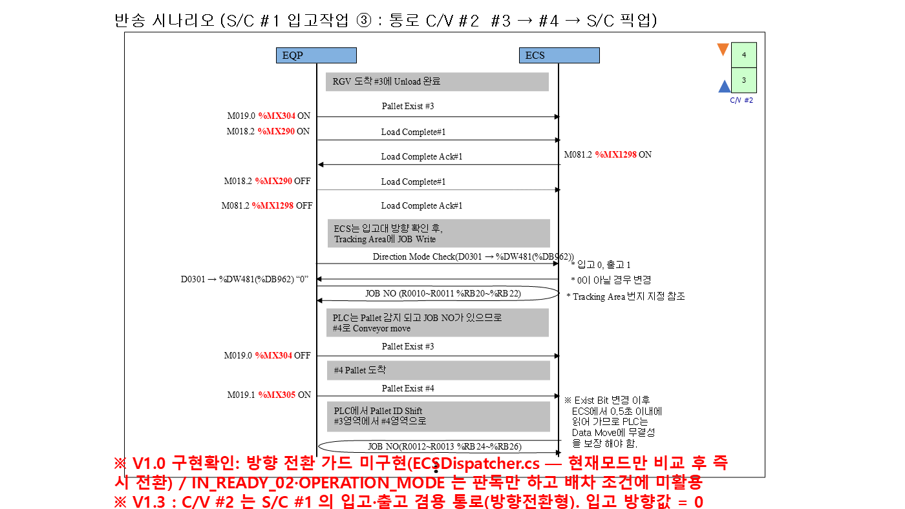

③ 구간 (2/2)
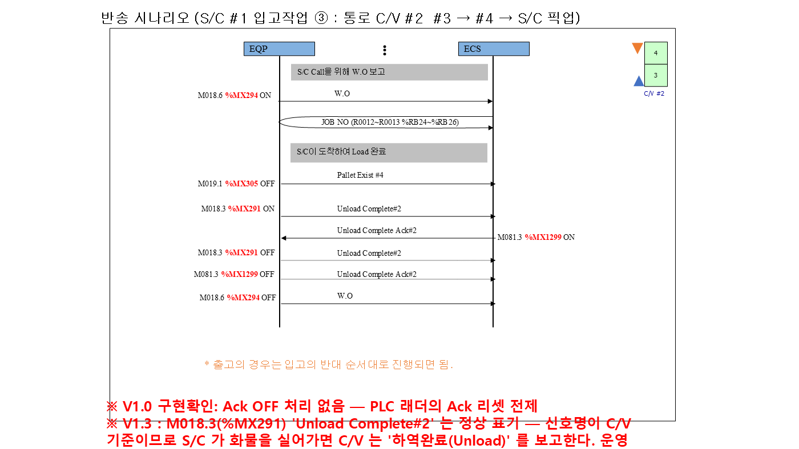

④ 구간 (1/2)

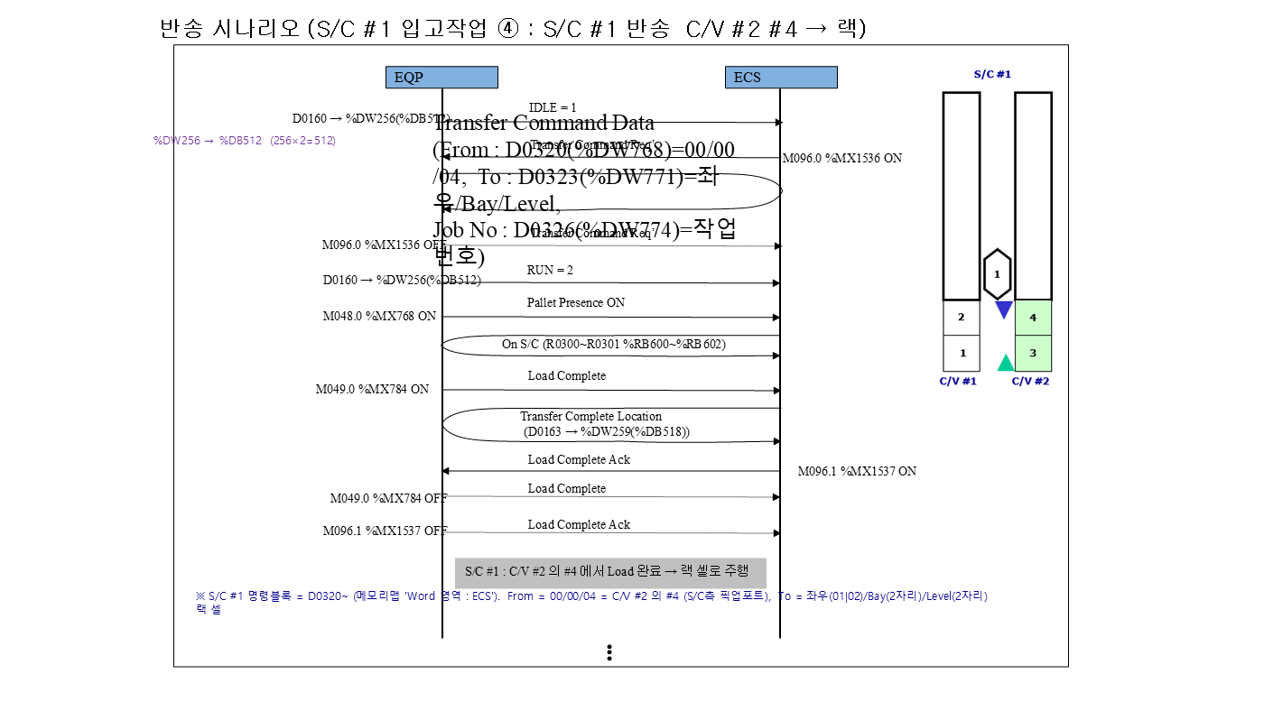

④ 구간 (2/2)

입고 TR #26 => SC #1
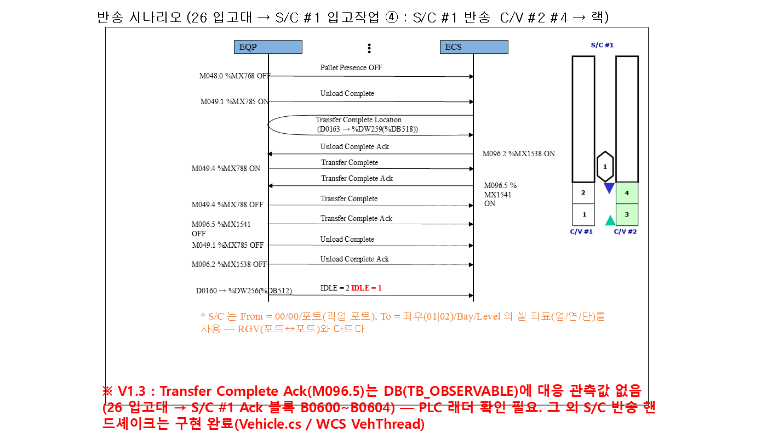
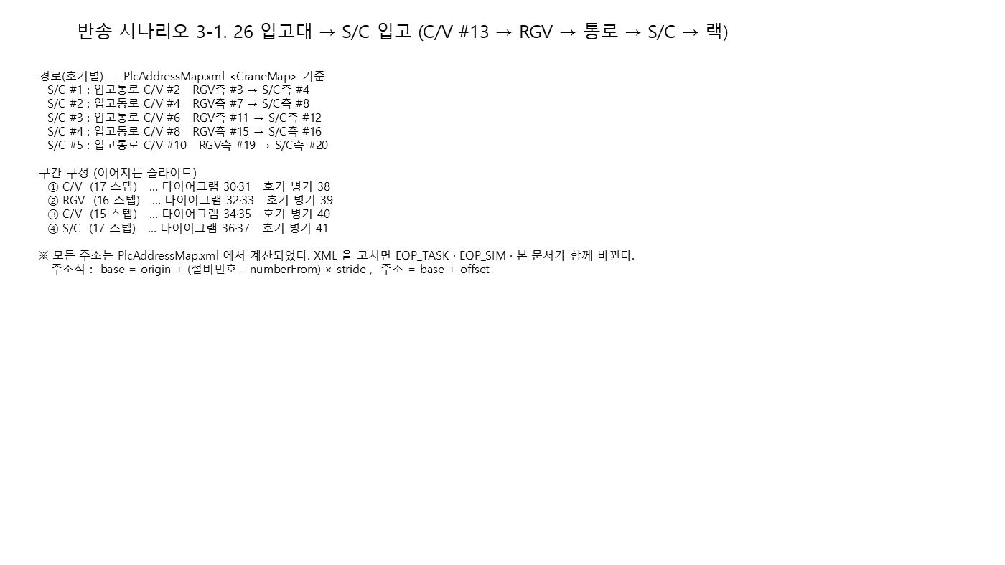
▼ 반송 시나리오 (시작 → 끝) — 시나리오 3-1 26 입고대 → S/C 입고 | 입고대(26번 트랙-C/V#13) → S/C #1 입고작업 (시작 → 끝)
개요 + 구간 다이어그램 ①→④ (좌→우, 위→아래). 오른쪽 표의 '구간' 열과 대응한다.
 | # | 구간 | 주체 | 신호 / 설명 | 1호기 | 2호기 | 3호기 | 4호기 | 5호기
 | 1 | CV #13 | EQP BIT ON | 26 입고대 적재 감지 (작업자 투입) | C/V #13 %MX657 | C/V #13 %MX657 | C/V #13 %MX657 | C/V #13 %MX657 | C/V #13 %MX657
 | 2 |  | EQP BIT ON | Load Complete #2 ON (적재 완료) | C/V #13 %MX644 | C/V #13 %MX644 | C/V #13 %MX644 | C/V #13 %MX644 | C/V #13 %MX644
 | 3 |  | WCS BIT ON | Load Complete Ack #2 ON (WCS) | C/V #13 %MX1476 | C/V #13 %MX1476 | C/V #13 %MX1476 | C/V #13 %MX1476 | C/V #13 %MX1476
 | 4 |  | EQP BIT OFF | Load Complete #2 OFF | C/V #13 %MX644 | C/V #13 %MX644 | C/V #13 %MX644 | C/V #13 %MX644 | C/V #13 %MX644
 | 5 |  | EQP BIT OFF | Load Complete Ack #2 OFF (설비 리셋) | C/V #13 %MX1476 | C/V #13 %MX1476 | C/V #13 %MX1476 | C/V #13 %MX1476 | C/V #13 %MX1476
 | 6 |  | WCS 값 | 방향 확인 - 입고 '0' | C/V #13 %DW492 | C/V #13 %DW492 | C/V #13 %DW492 | C/V #13 %DW492 | C/V #13 %DW492
 | 7 |  | WCS 값 | JOB NO 최초 기록 (적재 위치) | C/V #13 %RB580 | C/V #13 %RB580 | C/V #13 %RB580 | C/V #13 %RB580 | C/V #13 %RB580
 | 8 |  | EQP BIT OFF | 적재 위치 Pallet Exist OFF (ID Shift) | C/V #13 %MX657 | C/V #13 %MX657 | C/V #13 %MX657 | C/V #13 %MX657 | C/V #13 %MX657
 | 9 |  | EQP BIT ON | 반출 위치 Pallet Exist ON (도착) | C/V #13 %MX656 | C/V #13 %MX656 | C/V #13 %MX656 | C/V #13 %MX656 | C/V #13 %MX656
 | 10 |  | WCS 값 | PLC ID Shift 결과 : JOB 이 반출 위치로 이동 | C/V #13 %RB576 | C/V #13 %RB576 | C/V #13 %RB576 | C/V #13 %RB576 | C/V #13 %RB576
 | 11 |  | EQP BIT ON | W.O 보고 (RGV Call) | C/V #13 %MX646 | C/V #13 %MX646 | C/V #13 %MX646 | C/V #13 %MX646 | C/V #13 %MX646
 | 12 |  | EQP BIT OFF | 반출 위치 Pallet Exist OFF (RGV Load 완료) | C/V #13 %MX656 | C/V #13 %MX656 | C/V #13 %MX656 | C/V #13 %MX656 | C/V #13 %MX656
① 구간 (1/2)
 | 13 |  | EQP BIT ON | Unload Complete #1 ON (RGV 픽업) | C/V #13 %MX641 | C/V #13 %MX641 | C/V #13 %MX641 | C/V #13 %MX641 | C/V #13 %MX641
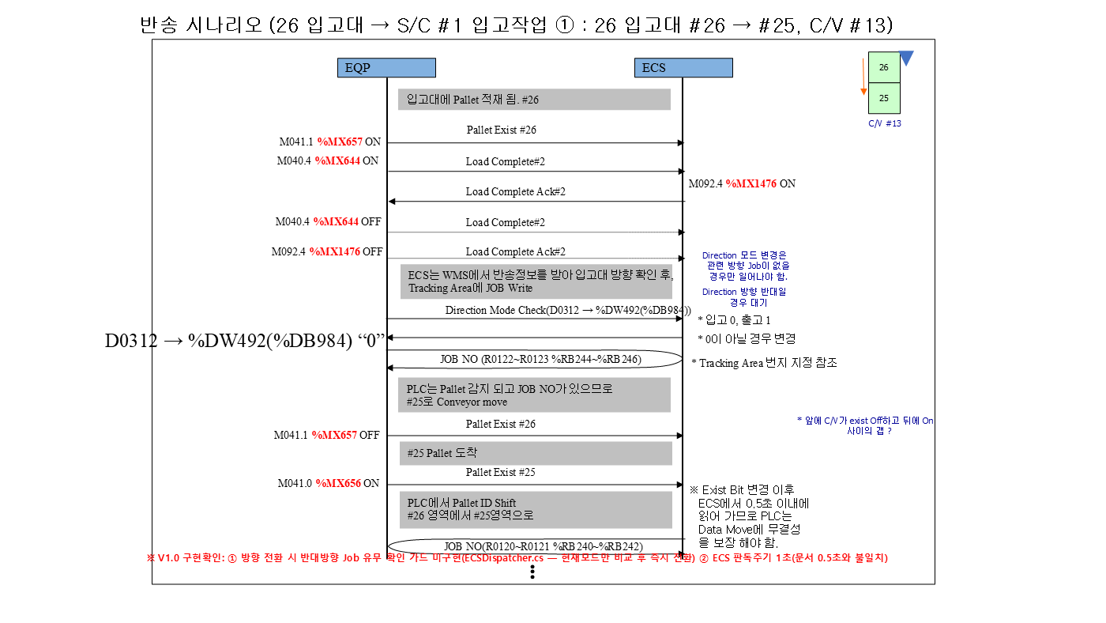
 | 14 |  | WCS BIT ON | Unload Complete Ack #1 ON (WCS) | C/V #13 %MX1473 | C/V #13 %MX1473 | C/V #13 %MX1473 | C/V #13 %MX1473 | C/V #13 %MX1473
 | 15 |  | EQP BIT OFF | Unload Complete #1 OFF | C/V #13 %MX641 | C/V #13 %MX641 | C/V #13 %MX641 | C/V #13 %MX641 | C/V #13 %MX641
 | 16 |  | EQP BIT OFF | Unload Complete Ack #1 OFF (설비 리셋) | C/V #13 %MX1473 | C/V #13 %MX1473 | C/V #13 %MX1473 | C/V #13 %MX1473 | C/V #13 %MX1473
 | 17 |  | EQP BIT OFF | W.O OFF | C/V #13 %MX646 | C/V #13 %MX646 | C/V #13 %MX646 | C/V #13 %MX646 | C/V #13 %MX646
 | 18 | RGV #1 | WCS 값 | IDLE=1 확인 | RGV #1 %DW336 | RGV #1 %DW336 | RGV #1 %DW336 | RGV #1 %DW336 | RGV #1 %DW336
 | 19 |  | WCS BIT ON | Transfer Command Req’ (WCS 지시) | RGV #1 %MX1616 | RGV #1 %MX1616 | RGV #1 %MX1616 | RGV #1 %MX1616 | RGV #1 %MX1616
 | 20 |  | WCS 값 | Transfer Command Data - From (픽업 포트) | RGV #1 %DW848 | RGV #1 %DW848 | RGV #1 %DW848 | RGV #1 %DW848 | RGV #1 %DW848
 | 21 |  | WCS 값 | Transfer Command Data - To (통로 C/V RGV측 포트) | RGV #1 %DW851 | RGV #1 %DW851 | RGV #1 %DW851 | RGV #1 %DW851 | RGV #1 %DW851
 | 22 |  | WCS 값 | Transfer Command Data - Job No | RGV #1 %DW854 | RGV #1 %DW854 | RGV #1 %DW854 | RGV #1 %DW854 | RGV #1 %DW854
 | 23 |  | EQP BIT ON | Pallet Presence ON (RGV 적재) | RGV #1 %MX928 | RGV #1 %MX928 | RGV #1 %MX928 | RGV #1 %MX928 | RGV #1 %MX928
 | 24 |  | WCS 값 | On RGV - 탑재 화물번호 | RGV #1 %RB1568 | RGV #1 %RB1568 | RGV #1 %RB1568 | RGV #1 %RB1568 | RGV #1 %RB1568
 | 25 |  | EQP BIT ON | Load Complete ON | RGV #1 %MX944 | RGV #1 %MX944 | RGV #1 %MX944 | RGV #1 %MX944 | RGV #1 %MX944
 | 26 |  | WCS BIT ON | Load Complete Ack ON (WCS) | RGV #1 %MX1617 | RGV #1 %MX1617 | RGV #1 %MX1617 | RGV #1 %MX1617 | RGV #1 %MX1617
 | 27 |  | WCS 값 | Transfer Complete Location | RGV #1 %DW339 | RGV #1 %DW339 | RGV #1 %DW339 | RGV #1 %DW339 | RGV #1 %DW339
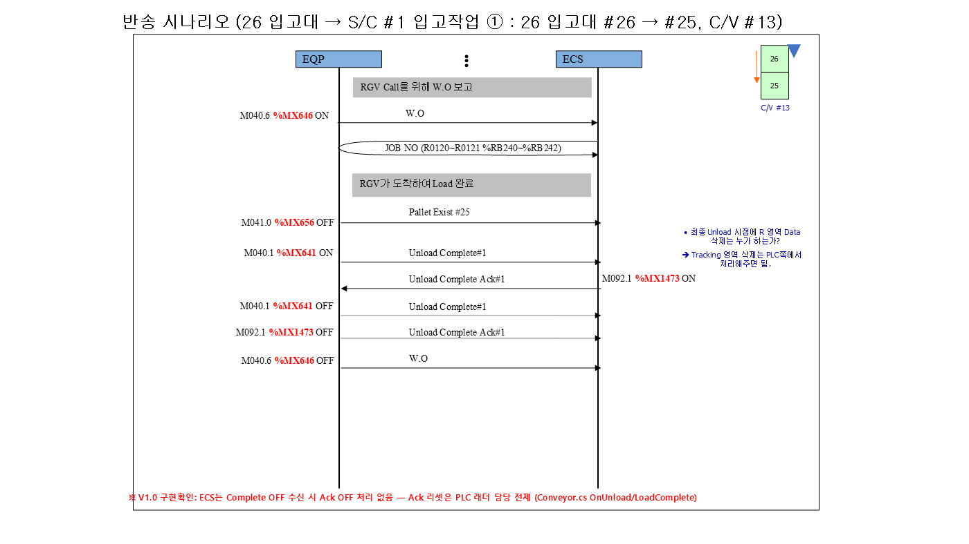
① 구간 (2/2)
 | 28 |  | EQP BIT OFF | Load Complete OFF | RGV #1 %MX944 | RGV #1 %MX944 | RGV #1 %MX944 | RGV #1 %MX944 | RGV #1 %MX944
 | 29 |  | EQP BIT OFF | Pallet Presence OFF (하역) | RGV #1 %MX928 | RGV #1 %MX928 | RGV #1 %MX928 | RGV #1 %MX928 | RGV #1 %MX928
 | 30 |  | EQP BIT ON | Unload Complete ON | RGV #1 %MX945 | RGV #1 %MX945 | RGV #1 %MX945 | RGV #1 %MX945 | RGV #1 %MX945
 | 31 |  | WCS BIT ON | Unload Complete Ack ON (WCS) | RGV #1 %MX1618 | RGV #1 %MX1618 | RGV #1 %MX1618 | RGV #1 %MX1618 | RGV #1 %MX1618
 | 32 |  | EQP BIT OFF | Unload Complete OFF | RGV #1 %MX945 | RGV #1 %MX945 | RGV #1 %MX945 | RGV #1 %MX945 | RGV #1 %MX945
 | 33 |  | WCS 값 | IDLE 복귀 | RGV #1 %DW336 | RGV #1 %DW336 | RGV #1 %DW336 | RGV #1 %DW336 | RGV #1 %DW336
 | 34 | 통로 CV (CV #2, CV #4, CV #6, CV #8, CV #10) | EQP BIT ON | RGV측 Pallet Exist ON (RGV 하역 완료) | C/V #2 %MX304 | C/V #4 %MX368 | C/V #6 %MX432 | C/V #8 %MX496 | C/V #10 %MX560
 | 35 |  | EQP BIT ON | Load Complete #1 ON | C/V #2 %MX290 | C/V #4 %MX354 | C/V #6 %MX418 | C/V #8 %MX482 | C/V #10 %MX546
 | 36 |  | WCS BIT ON | Load Complete Ack #1 ON (WCS) | C/V #2 %MX1298 | C/V #4 %MX1330 | C/V #6 %MX1362 | C/V #8 %MX1394 | C/V #10 %MX1426
 | 37 |  | EQP BIT OFF | Load Complete #1 OFF | C/V #2 %MX290 | C/V #4 %MX354 | C/V #6 %MX418 | C/V #8 %MX482 | C/V #10 %MX546
 | 38 |  | WCS 값 | 방향 확인 - 입고 '0' | C/V #2 %DW481 | C/V #4 %DW483 | C/V #6 %DW485 | C/V #8 %DW487 | C/V #10 %DW489
 | 39 |  | WCS 값 | JOB NO 기록 (RGV측 위치) | C/V #2 %RB32 | C/V #4 %RB96 | C/V #6 %RB160 | C/V #8 %RB224 | C/V #10 %RB288
 | 40 |  | EQP BIT OFF | RGV측 Pallet Exist OFF (ID Shift) | C/V #2 %MX304 | C/V #4 %MX368 | C/V #6 %MX432 | C/V #8 %MX496 | C/V #10 %MX560
 | 41 |  | EQP BIT ON | S/C측 Pallet Exist ON (도착) | C/V #2 %MX305 | C/V #4 %MX369 | C/V #6 %MX433 | C/V #8 %MX497 | C/V #10 %MX561
 | 42 |  | WCS 값 | PLC ID Shift 결과 : JOB 이 S/C측으로 이동 | C/V #2 %RB36 | C/V #4 %RB100 | C/V #6 %RB164 | C/V #8 %RB228 | C/V #10 %RB292

② 구간 (1/2)
 | 43 |  | EQP BIT ON | W.O 보고 (S/C Call) | C/V #2 %MX294 | C/V #4 %MX358 | C/V #6 %MX422 | C/V #8 %MX486 | C/V #10 %MX550
 | 44 |  | EQP BIT OFF | S/C측 Pallet Exist OFF (S/C Load 완료) | C/V #2 %MX305 | C/V #4 %MX369 | C/V #6 %MX433 | C/V #8 %MX497 | C/V #10 %MX561
 | 45 |  | EQP BIT ON | Unload Complete #2 ON (S/C 픽업) | C/V #2 %MX291 | C/V #4 %MX355 | C/V #6 %MX419 | C/V #8 %MX483 | C/V #10 %MX547
 | 46 |  | WCS BIT ON | Unload Complete Ack #2 ON (WCS) | C/V #2 %MX1299 | C/V #4 %MX1331 | C/V #6 %MX1363 | C/V #8 %MX1395 | C/V #10 %MX1427
 | 47 |  | EQP BIT OFF | Unload Complete #2 OFF | C/V #2 %MX291 | C/V #4 %MX355 | C/V #6 %MX419 | C/V #8 %MX483 | C/V #10 %MX547
 | 48 |  | EQP BIT OFF | W.O OFF | C/V #2 %MX294 | C/V #4 %MX358 | C/V #6 %MX422 | C/V #8 %MX486 | C/V #10 %MX550
 | 49 | SC 반송 | WCS 값 | IDLE=1 확인 | S/C #1 %DW256 | S/C #2 %DW272 | S/C #3 %DW288 | S/C #4 %DW304 | S/C #5 %DW320
 | 50 |  | WCS BIT ON | Transfer Command Req’ (WCS 지시) | S/C #1 %MX1536 | S/C #2 %MX1552 | S/C #3 %MX1568 | S/C #4 %MX1584 | S/C #5 %MX1600
 | 51 |  | WCS 값 | Transfer Command Data - From (픽업 포트) | S/C #1 %DW768 | S/C #2 %DW784 | S/C #3 %DW800 | S/C #4 %DW816 | S/C #5 %DW832
 | 52 |  | WCS 값 | Transfer Command Data - To (랙 셀(열/연/단)) | S/C #1 %DW771 | S/C #2 %DW787 | S/C #3 %DW803 | S/C #4 %DW819 | S/C #5 %DW835
 | 53 |  | WCS 값 | Transfer Command Data - Job No | S/C #1 %DW774 | S/C #2 %DW790 | S/C #3 %DW806 | S/C #4 %DW822 | S/C #5 %DW838
 | 54 |  | EQP BIT ON | Pallet Presence ON (S/C 적재) | S/C #1 %MX768 | S/C #2 %MX800 | S/C #3 %MX832 | S/C #4 %MX864 | S/C #5 %MX896
 | 55 |  | WCS 값 | On S/C - 탑재 화물번호 | S/C #1 %RB1536 | S/C #2 %RB1540 | S/C #3 %RB1544 | S/C #4 %RB1548 | S/C #5 %RB1552
 | 56 |  | EQP BIT ON | Load Complete ON | S/C #1 %MX784 | S/C #2 %MX816 | S/C #3 %MX848 | S/C #4 %MX880 | S/C #5 %MX912
② 구간 (2/2)
 | 57 |  | WCS BIT ON | Load Complete Ack ON (WCS) | S/C #1 %MX1537 | S/C #2 %MX1553 | S/C #3 %MX1569 | S/C #4 %MX1585 | S/C #5 %MX1601

 | 58 |  | WCS 값 | S/C 현재위치(열/연/단) | S/C #1 %DW262 | S/C #2 %DW278 | S/C #3 %DW294 | S/C #4 %DW310 | S/C #5 %DW326
 | 59 |  | EQP BIT OFF | Load Complete OFF | S/C #1 %MX784 | S/C #2 %MX816 | S/C #3 %MX848 | S/C #4 %MX880 | S/C #5 %MX912
 | 60 |  | EQP BIT OFF | Pallet Presence OFF (랙 적치 완료) | S/C #1 %MX768 | S/C #2 %MX800 | S/C #3 %MX832 | S/C #4 %MX864 | S/C #5 %MX896
 | 61 |  | EQP BIT ON | Unload Complete ON | S/C #1 %MX785 | S/C #2 %MX817 | S/C #3 %MX849 | S/C #4 %MX881 | S/C #5 %MX913
 | 62 |  | WCS BIT ON | Unload Complete Ack ON (WCS) | S/C #1 %MX1538 | S/C #2 %MX1554 | S/C #3 %MX1570 | S/C #4 %MX1586 | S/C #5 %MX1602
 | 63 |  | WCS 값 | Transfer Complete Location | S/C #1 %DW259 | S/C #2 %DW275 | S/C #3 %DW291 | S/C #4 %DW307 | S/C #5 %DW323
 | 64 |  | EQP BIT OFF | Unload Complete OFF | S/C #1 %MX785 | S/C #2 %MX817 | S/C #3 %MX849 | S/C #4 %MX881 | S/C #5 %MX913
 | 65 |  | WCS 값 | IDLE 복귀 | S/C #1 %DW256 | S/C #2 %DW272 | S/C #3 %DW288 | S/C #4 %DW304 | S/C #5 %DW320

③ 구간 (1/2)
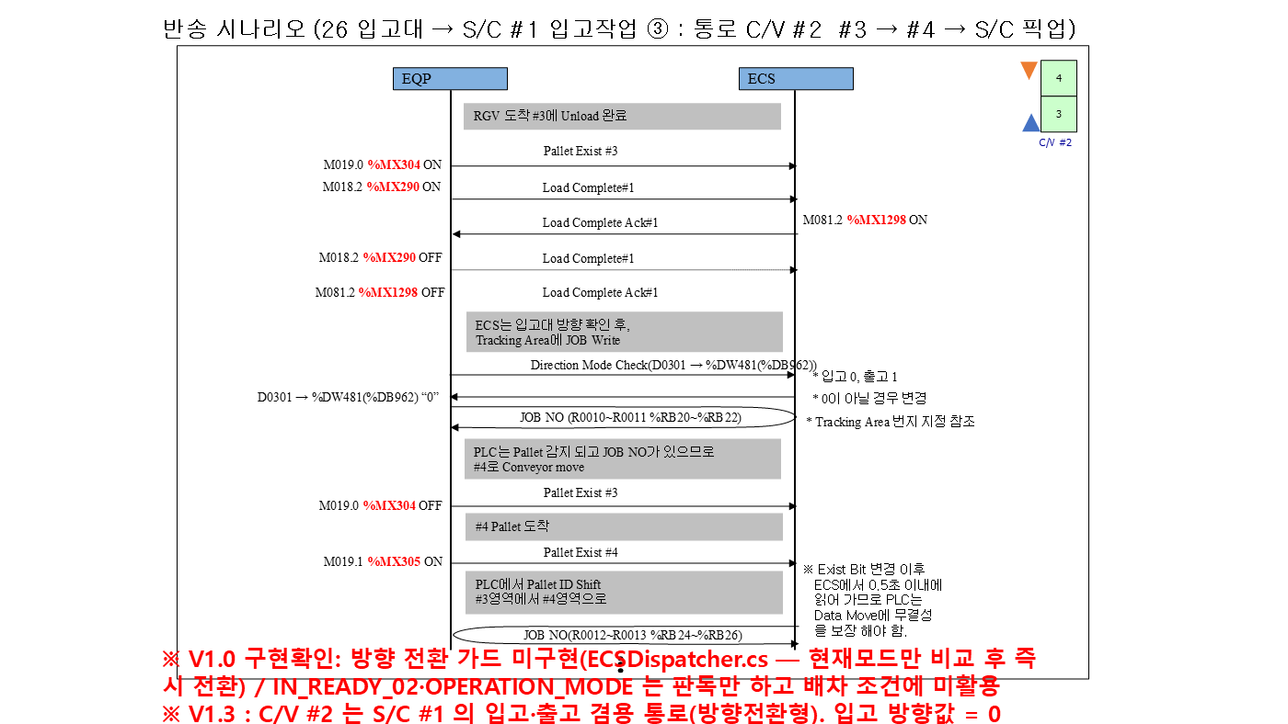

③ 구간 (2/2)
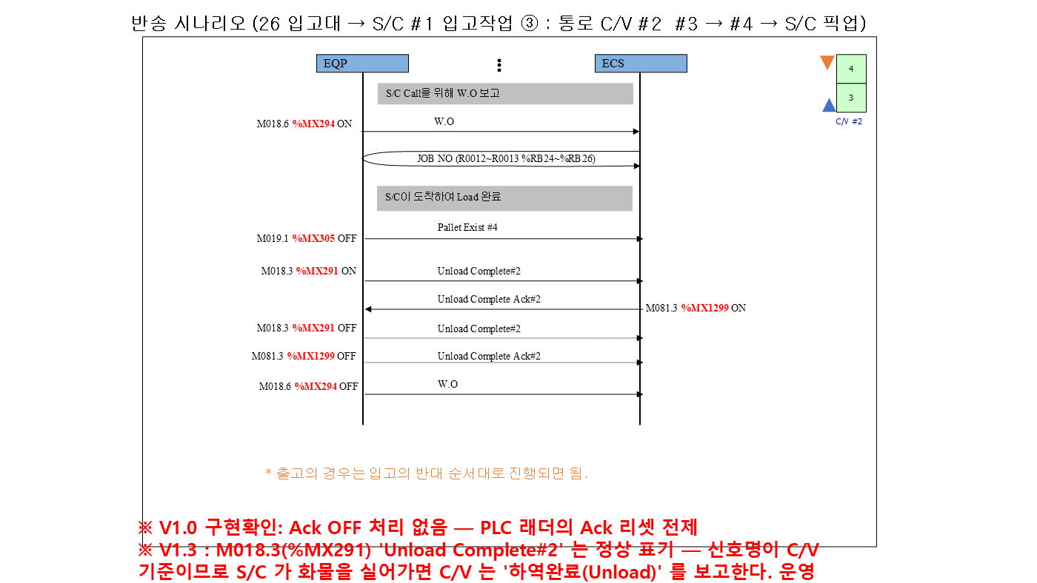

④ 구간 (1/2)

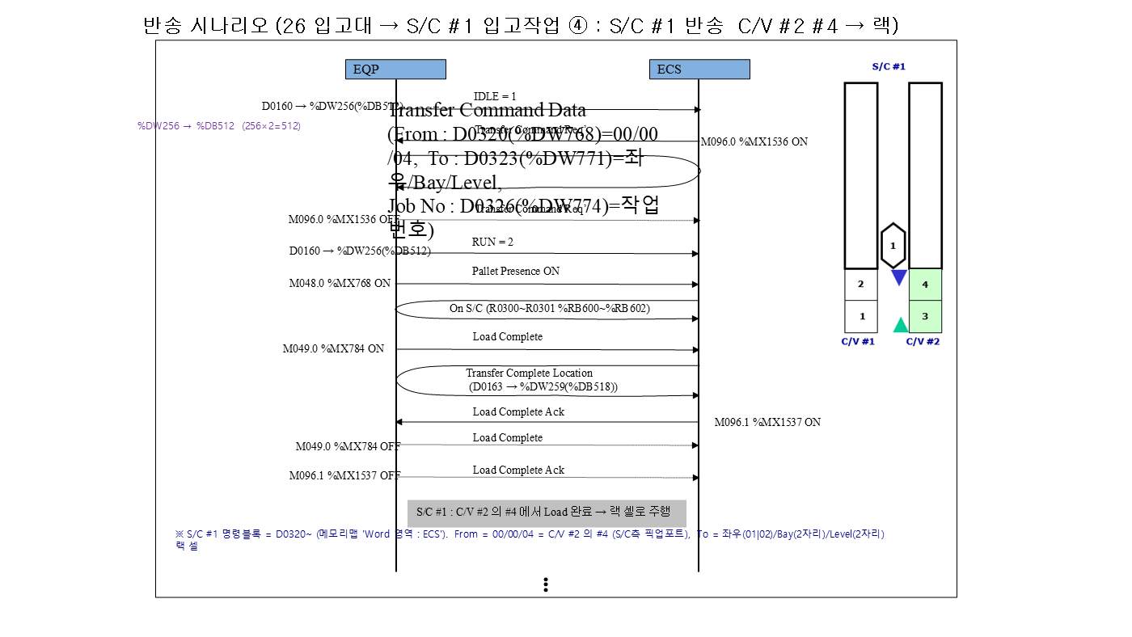

④ 구간 (2/2)

입고 TR #30 => SC #1

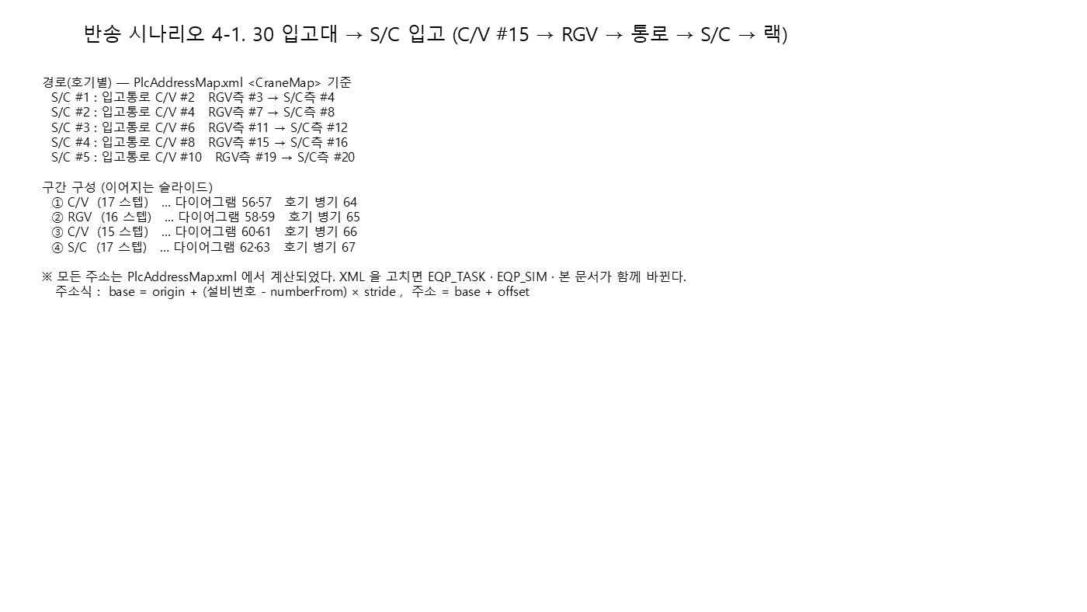
▼ 반송 시나리오 (시작 → 끝) — 시나리오 4-1 30 입고대 → S/C 입고 | 입고대(30번 트랙-C/V#14) → S/C #1 입고작업 (시작 → 끝)
개요 + 구간 다이어그램 ①→④ (좌→우, 위→아래). 오른쪽 표의 '구간' 열과 대응한다.
 | # | 구간 | 주체 | 신호 / 설명 | 1호기 | 2호기 | 3호기 | 4호기 | 5호기
 | 1 | CV #15 | EQP BIT ON | 30 입고대 적재 감지 (작업자 투입) | C/V #15 %MX721 | C/V #15 %MX721 | C/V #15 %MX721 | C/V #15 %MX721 | C/V #15 %MX721
 | 2 |  | EQP BIT ON | Load Complete #2 ON (적재 완료) | C/V #15 %MX708 | C/V #15 %MX708 | C/V #15 %MX708 | C/V #15 %MX708 | C/V #15 %MX708
 | 3 |  | WCS BIT ON | Load Complete Ack #2 ON (WCS) | C/V #15 %MX1508 | C/V #15 %MX1508 | C/V #15 %MX1508 | C/V #15 %MX1508 | C/V #15 %MX1508
 | 4 |  | EQP BIT OFF | Load Complete #2 OFF | C/V #15 %MX708 | C/V #15 %MX708 | C/V #15 %MX708 | C/V #15 %MX708 | C/V #15 %MX708
 | 5 |  | EQP BIT OFF | Load Complete Ack #2 OFF (설비 리셋) | C/V #15 %MX1508 | C/V #15 %MX1508 | C/V #15 %MX1508 | C/V #15 %MX1508 | C/V #15 %MX1508
 | 6 |  | WCS 값 | 방향 확인 - 입고 '0' | C/V #15 %DW494 | C/V #15 %DW494 | C/V #15 %DW494 | C/V #15 %DW494 | C/V #15 %DW494
 | 7 |  | WCS 값 | JOB NO 최초 기록 (적재 위치) | C/V #15 %RB644 | C/V #15 %RB644 | C/V #15 %RB644 | C/V #15 %RB644 | C/V #15 %RB644
 | 8 |  | EQP BIT OFF | 적재 위치 Pallet Exist OFF (ID Shift) | C/V #15 %MX721 | C/V #15 %MX721 | C/V #15 %MX721 | C/V #15 %MX721 | C/V #15 %MX721
 | 9 |  | EQP BIT ON | 반출 위치 Pallet Exist ON (도착) | C/V #15 %MX720 | C/V #15 %MX720 | C/V #15 %MX720 | C/V #15 %MX720 | C/V #15 %MX720
 | 10 |  | WCS 값 | PLC ID Shift 결과 : JOB 이 반출 위치로 이동 | C/V #15 %RB640 | C/V #15 %RB640 | C/V #15 %RB640 | C/V #15 %RB640 | C/V #15 %RB640
 | 11 |  | EQP BIT ON | W.O 보고 (RGV Call) | C/V #15 %MX710 | C/V #15 %MX710 | C/V #15 %MX710 | C/V #15 %MX710 | C/V #15 %MX710
 | 12 |  | EQP BIT OFF | 반출 위치 Pallet Exist OFF (RGV Load 완료) | C/V #15 %MX720 | C/V #15 %MX720 | C/V #15 %MX720 | C/V #15 %MX720 | C/V #15 %MX720
① 구간 (1/2)
 | 13 |  | EQP BIT ON | Unload Complete #1 ON (RGV 픽업) | C/V #15 %MX705 | C/V #15 %MX705 | C/V #15 %MX705 | C/V #15 %MX705 | C/V #15 %MX705
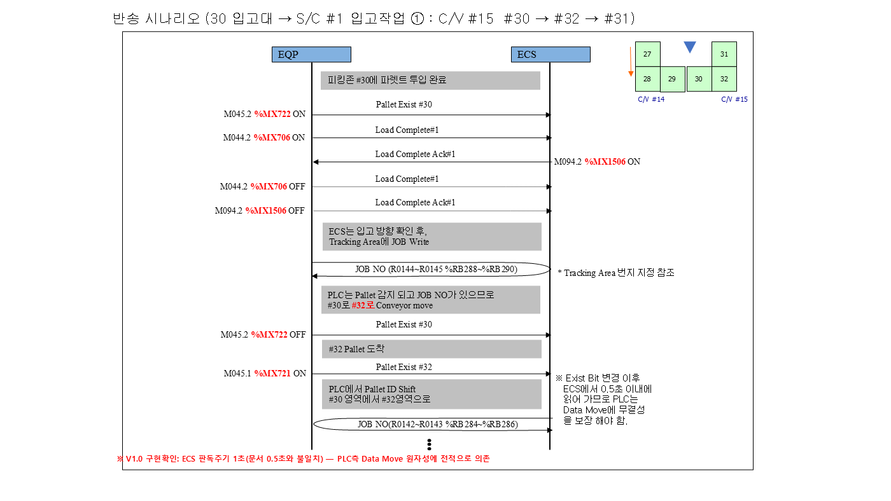
 | 14 |  | WCS BIT ON | Unload Complete Ack #1 ON (WCS) | C/V #15 %MX1505 | C/V #15 %MX1505 | C/V #15 %MX1505 | C/V #15 %MX1505 | C/V #15 %MX1505
 | 15 |  | EQP BIT OFF | Unload Complete #1 OFF | C/V #15 %MX705 | C/V #15 %MX705 | C/V #15 %MX705 | C/V #15 %MX705 | C/V #15 %MX705
 | 16 |  | EQP BIT OFF | Unload Complete Ack #1 OFF (설비 리셋) | C/V #15 %MX1505 | C/V #15 %MX1505 | C/V #15 %MX1505 | C/V #15 %MX1505 | C/V #15 %MX1505
 | 17 |  | EQP BIT OFF | W.O OFF | C/V #15 %MX710 | C/V #15 %MX710 | C/V #15 %MX710 | C/V #15 %MX710 | C/V #15 %MX710
 | 18 | RGV #1 | WCS 값 | IDLE=1 확인 | RGV #1 %DW336 | RGV #1 %DW336 | RGV #1 %DW336 | RGV #1 %DW336 | RGV #1 %DW336
 | 19 |  | WCS BIT ON | Transfer Command Req’ (WCS 지시) | RGV #1 %MX1616 | RGV #1 %MX1616 | RGV #1 %MX1616 | RGV #1 %MX1616 | RGV #1 %MX1616
 | 20 |  | WCS 값 | Transfer Command Data - From (픽업 포트) | RGV #1 %DW848 | RGV #1 %DW848 | RGV #1 %DW848 | RGV #1 %DW848 | RGV #1 %DW848
 | 21 |  | WCS 값 | Transfer Command Data - To (통로 C/V RGV측 포트) | RGV #1 %DW851 | RGV #1 %DW851 | RGV #1 %DW851 | RGV #1 %DW851 | RGV #1 %DW851
 | 22 |  | WCS 값 | Transfer Command Data - Job No | RGV #1 %DW854 | RGV #1 %DW854 | RGV #1 %DW854 | RGV #1 %DW854 | RGV #1 %DW854
 | 23 |  | EQP BIT ON | Pallet Presence ON (RGV 적재) | RGV #1 %MX928 | RGV #1 %MX928 | RGV #1 %MX928 | RGV #1 %MX928 | RGV #1 %MX928
 | 24 |  | WCS 값 | On RGV - 탑재 화물번호 | RGV #1 %RB1568 | RGV #1 %RB1568 | RGV #1 %RB1568 | RGV #1 %RB1568 | RGV #1 %RB1568
 | 25 |  | EQP BIT ON | Load Complete ON | RGV #1 %MX944 | RGV #1 %MX944 | RGV #1 %MX944 | RGV #1 %MX944 | RGV #1 %MX944
 | 26 |  | WCS BIT ON | Load Complete Ack ON (WCS) | RGV #1 %MX1617 | RGV #1 %MX1617 | RGV #1 %MX1617 | RGV #1 %MX1617 | RGV #1 %MX1617
 | 27 |  | WCS 값 | Transfer Complete Location | RGV #1 %DW339 | RGV #1 %DW339 | RGV #1 %DW339 | RGV #1 %DW339 | RGV #1 %DW339
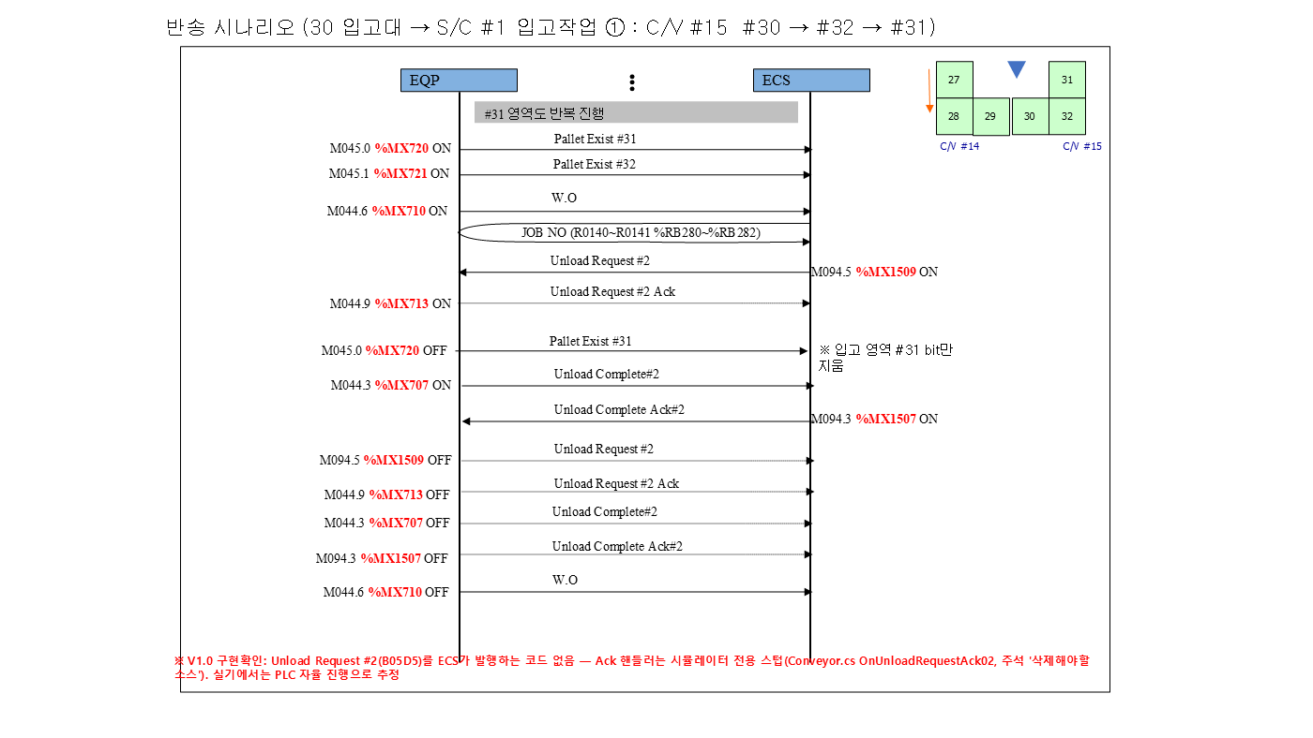
① 구간 (2/2)
 | 28 |  | EQP BIT OFF | Load Complete OFF | RGV #1 %MX944 | RGV #1 %MX944 | RGV #1 %MX944 | RGV #1 %MX944 | RGV #1 %MX944
 | 29 |  | EQP BIT OFF | Pallet Presence OFF (하역) | RGV #1 %MX928 | RGV #1 %MX928 | RGV #1 %MX928 | RGV #1 %MX928 | RGV #1 %MX928
 | 30 |  | EQP BIT ON | Unload Complete ON | RGV #1 %MX945 | RGV #1 %MX945 | RGV #1 %MX945 | RGV #1 %MX945 | RGV #1 %MX945
 | 31 |  | WCS BIT ON | Unload Complete Ack ON (WCS) | RGV #1 %MX1618 | RGV #1 %MX1618 | RGV #1 %MX1618 | RGV #1 %MX1618 | RGV #1 %MX1618
 | 32 |  | EQP BIT OFF | Unload Complete OFF | RGV #1 %MX945 | RGV #1 %MX945 | RGV #1 %MX945 | RGV #1 %MX945 | RGV #1 %MX945
 | 33 |  | WCS 값 | IDLE 복귀 | RGV #1 %DW336 | RGV #1 %DW336 | RGV #1 %DW336 | RGV #1 %DW336 | RGV #1 %DW336
 | 34 | 통로 CV (CV #2, CV #4, CV #6, CV #8, CV #10) | EQP BIT ON | RGV측 Pallet Exist ON (RGV 하역 완료) | C/V #2 %MX304 | C/V #4 %MX368 | C/V #6 %MX432 | C/V #8 %MX496 | C/V #10 %MX560
 | 35 |  | EQP BIT ON | Load Complete #1 ON | C/V #2 %MX290 | C/V #4 %MX354 | C/V #6 %MX418 | C/V #8 %MX482 | C/V #10 %MX546
 | 36 |  | WCS BIT ON | Load Complete Ack #1 ON (WCS) | C/V #2 %MX1298 | C/V #4 %MX1330 | C/V #6 %MX1362 | C/V #8 %MX1394 | C/V #10 %MX1426
 | 37 |  | EQP BIT OFF | Load Complete #1 OFF | C/V #2 %MX290 | C/V #4 %MX354 | C/V #6 %MX418 | C/V #8 %MX482 | C/V #10 %MX546
 | 38 |  | WCS 값 | 방향 확인 - 입고 '0' | C/V #2 %DW481 | C/V #4 %DW483 | C/V #6 %DW485 | C/V #8 %DW487 | C/V #10 %DW489
 | 39 |  | WCS 값 | JOB NO 기록 (RGV측 위치) | C/V #2 %RB32 | C/V #4 %RB96 | C/V #6 %RB160 | C/V #8 %RB224 | C/V #10 %RB288
 | 40 |  | EQP BIT OFF | RGV측 Pallet Exist OFF (ID Shift) | C/V #2 %MX304 | C/V #4 %MX368 | C/V #6 %MX432 | C/V #8 %MX496 | C/V #10 %MX560
 | 41 |  | EQP BIT ON | S/C측 Pallet Exist ON (도착) | C/V #2 %MX305 | C/V #4 %MX369 | C/V #6 %MX433 | C/V #8 %MX497 | C/V #10 %MX561
 | 42 |  | WCS 값 | PLC ID Shift 결과 : JOB 이 S/C측으로 이동 | C/V #2 %RB36 | C/V #4 %RB100 | C/V #6 %RB164 | C/V #8 %RB228 | C/V #10 %RB292

② 구간 (1/2)
 | 43 |  | EQP BIT ON | W.O 보고 (S/C Call) | C/V #2 %MX294 | C/V #4 %MX358 | C/V #6 %MX422 | C/V #8 %MX486 | C/V #10 %MX550
 | 44 |  | EQP BIT OFF | S/C측 Pallet Exist OFF (S/C Load 완료) | C/V #2 %MX305 | C/V #4 %MX369 | C/V #6 %MX433 | C/V #8 %MX497 | C/V #10 %MX561
 | 45 |  | EQP BIT ON | Unload Complete #2 ON (S/C 픽업) | C/V #2 %MX291 | C/V #4 %MX355 | C/V #6 %MX419 | C/V #8 %MX483 | C/V #10 %MX547
 | 46 |  | WCS BIT ON | Unload Complete Ack #2 ON (WCS) | C/V #2 %MX1299 | C/V #4 %MX1331 | C/V #6 %MX1363 | C/V #8 %MX1395 | C/V #10 %MX1427
 | 47 |  | EQP BIT OFF | Unload Complete #2 OFF | C/V #2 %MX291 | C/V #4 %MX355 | C/V #6 %MX419 | C/V #8 %MX483 | C/V #10 %MX547
 | 48 |  | EQP BIT OFF | W.O OFF | C/V #2 %MX294 | C/V #4 %MX358 | C/V #6 %MX422 | C/V #8 %MX486 | C/V #10 %MX550
 | 49 | SC 반송 | WCS 값 | IDLE=1 확인 | S/C #1 %DW256 | S/C #2 %DW272 | S/C #3 %DW288 | S/C #4 %DW304 | S/C #5 %DW320
 | 50 |  | WCS BIT ON | Transfer Command Req’ (WCS 지시) | S/C #1 %MX1536 | S/C #2 %MX1552 | S/C #3 %MX1568 | S/C #4 %MX1584 | S/C #5 %MX1600
 | 51 |  | WCS 값 | Transfer Command Data - From (픽업 포트) | S/C #1 %DW768 | S/C #2 %DW784 | S/C #3 %DW800 | S/C #4 %DW816 | S/C #5 %DW832
 | 52 |  | WCS 값 | Transfer Command Data - To (랙 셀(열/연/단)) | S/C #1 %DW771 | S/C #2 %DW787 | S/C #3 %DW803 | S/C #4 %DW819 | S/C #5 %DW835
 | 53 |  | WCS 값 | Transfer Command Data - Job No | S/C #1 %DW774 | S/C #2 %DW790 | S/C #3 %DW806 | S/C #4 %DW822 | S/C #5 %DW838
 | 54 |  | EQP BIT ON | Pallet Presence ON (S/C 적재) | S/C #1 %MX768 | S/C #2 %MX800 | S/C #3 %MX832 | S/C #4 %MX864 | S/C #5 %MX896
 | 55 |  | WCS 값 | On S/C - 탑재 화물번호 | S/C #1 %RB1536 | S/C #2 %RB1540 | S/C #3 %RB1544 | S/C #4 %RB1548 | S/C #5 %RB1552
 | 56 |  | EQP BIT ON | Load Complete ON | S/C #1 %MX784 | S/C #2 %MX816 | S/C #3 %MX848 | S/C #4 %MX880 | S/C #5 %MX912
② 구간 (2/2)
 | 57 |  | WCS BIT ON | Load Complete Ack ON (WCS) | S/C #1 %MX1537 | S/C #2 %MX1553 | S/C #3 %MX1569 | S/C #4 %MX1585 | S/C #5 %MX1601

 | 58 |  | WCS 값 | S/C 현재위치(열/연/단) | S/C #1 %DW262 | S/C #2 %DW278 | S/C #3 %DW294 | S/C #4 %DW310 | S/C #5 %DW326
 | 59 |  | EQP BIT OFF | Load Complete OFF | S/C #1 %MX784 | S/C #2 %MX816 | S/C #3 %MX848 | S/C #4 %MX880 | S/C #5 %MX912
 | 60 |  | EQP BIT OFF | Pallet Presence OFF (랙 적치 완료) | S/C #1 %MX768 | S/C #2 %MX800 | S/C #3 %MX832 | S/C #4 %MX864 | S/C #5 %MX896
 | 61 |  | EQP BIT ON | Unload Complete ON | S/C #1 %MX785 | S/C #2 %MX817 | S/C #3 %MX849 | S/C #4 %MX881 | S/C #5 %MX913
 | 62 |  | WCS BIT ON | Unload Complete Ack ON (WCS) | S/C #1 %MX1538 | S/C #2 %MX1554 | S/C #3 %MX1570 | S/C #4 %MX1586 | S/C #5 %MX1602
 | 63 |  | WCS 값 | Transfer Complete Location | S/C #1 %DW259 | S/C #2 %DW275 | S/C #3 %DW291 | S/C #4 %DW307 | S/C #5 %DW323
 | 64 |  | EQP BIT OFF | Unload Complete OFF | S/C #1 %MX785 | S/C #2 %MX817 | S/C #3 %MX849 | S/C #4 %MX881 | S/C #5 %MX913
 | 65 |  | WCS 값 | IDLE 복귀 | S/C #1 %DW256 | S/C #2 %DW272 | S/C #3 %DW288 | S/C #4 %DW304 | S/C #5 %DW320

③ 구간 (1/2)


③ 구간 (2/2)


④ 구간 (1/2)



④ 구간 (2/2)

출고 SC #1 => TR #29

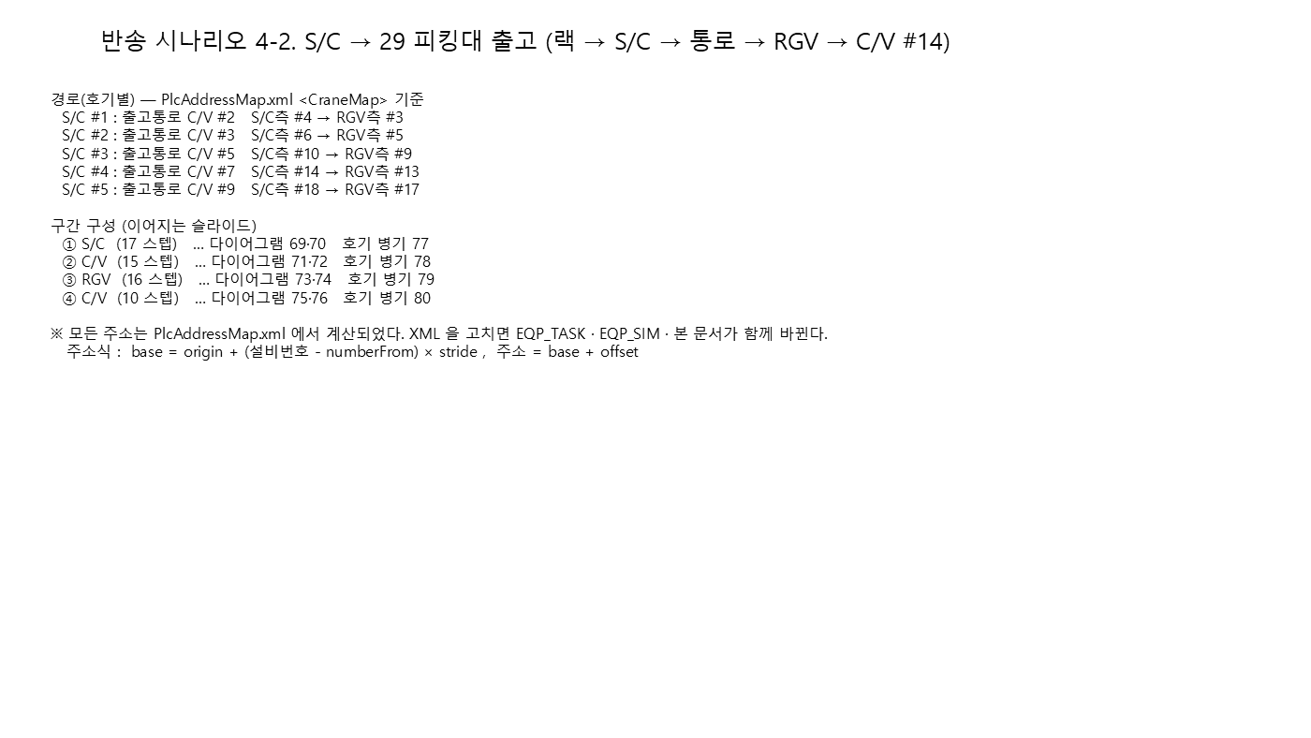
▼ 반송 시나리오 (시작 → 끝) — 시나리오 4-2 S/C → 29 피킹대 출고 | S/C #1 → 피킹대 #29(CV#14) 출고 작업
개요 + 구간 다이어그램 ①→④ (좌→우, 위→아래). 오른쪽 표의 '구간' 열과 대응한다.
 | # | 구간 | 주체 | 신호 / 설명 | 1호기 | 2호기 | 3호기 | 4호기 | 5호기
 | 1 | SC 반송 | WCS 값 | IDLE=1 확인 | S/C #1 %DW256 | S/C #2 %DW272 | S/C #3 %DW288 | S/C #4 %DW304 | S/C #5 %DW320
 | 2 |  | WCS BIT ON | Transfer Command Req’ (WCS 지시) | S/C #1 %MX1536 | S/C #2 %MX1552 | S/C #3 %MX1568 | S/C #4 %MX1584 | S/C #5 %MX1600
 | 3 |  | WCS 값 | Transfer Command Data - From (랙 셀) | S/C #1 %DW768 | S/C #2 %DW784 | S/C #3 %DW800 | S/C #4 %DW816 | S/C #5 %DW832
 | 4 |  | WCS 값 | Transfer Command Data - To (하역 포트) | S/C #1 %DW771 | S/C #2 %DW787 | S/C #3 %DW803 | S/C #4 %DW819 | S/C #5 %DW835
 | 5 |  | WCS 값 | Transfer Command Data - Job No | S/C #1 %DW774 | S/C #2 %DW790 | S/C #3 %DW806 | S/C #4 %DW822 | S/C #5 %DW838
 | 6 |  | EQP BIT ON | Pallet Presence ON (S/C 적재) | S/C #1 %MX768 | S/C #2 %MX800 | S/C #3 %MX832 | S/C #4 %MX864 | S/C #5 %MX896
 | 7 |  | WCS 값 | On S/C - 탑재 화물번호 | S/C #1 %RB1536 | S/C #2 %RB1540 | S/C #3 %RB1544 | S/C #4 %RB1548 | S/C #5 %RB1552
 | 8 |  | EQP BIT ON | Load Complete ON | S/C #1 %MX784 | S/C #2 %MX816 | S/C #3 %MX848 | S/C #4 %MX880 | S/C #5 %MX912
 | 9 |  | WCS BIT ON | Load Complete Ack ON (WCS) | S/C #1 %MX1537 | S/C #2 %MX1553 | S/C #3 %MX1569 | S/C #4 %MX1585 | S/C #5 %MX1601
 | 10 |  | WCS 값 | S/C 현재위치(열/연/단) | S/C #1 %DW262 | S/C #2 %DW278 | S/C #3 %DW294 | S/C #4 %DW310 | S/C #5 %DW326
 | 11 |  | EQP BIT OFF | Load Complete OFF | S/C #1 %MX784 | S/C #2 %MX816 | S/C #3 %MX848 | S/C #4 %MX880 | S/C #5 %MX912
 | 12 |  | EQP BIT OFF | Pallet Presence OFF (통로 C/V 하역 완료) | S/C #1 %MX768 | S/C #2 %MX800 | S/C #3 %MX832 | S/C #4 %MX864 | S/C #5 %MX896
 | 13 |  | EQP BIT ON | Unload Complete ON | S/C #1 %MX785 | S/C #2 %MX817 | S/C #3 %MX849 | S/C #4 %MX881 | S/C #5 %MX913
 | 14 |  | WCS BIT ON | Unload Complete Ack ON (WCS) | S/C #1 %MX1538 | S/C #2 %MX1554 | S/C #3 %MX1570 | S/C #4 %MX1586 | S/C #5 %MX1602
 | 15 |  | WCS 값 | Transfer Complete Location | S/C #1 %DW259 | S/C #2 %DW275 | S/C #3 %DW291 | S/C #4 %DW307 | S/C #5 %DW323
 | 16 |  | EQP BIT OFF | Unload Complete OFF | S/C #1 %MX785 | S/C #2 %MX817 | S/C #3 %MX849 | S/C #4 %MX881 | S/C #5 %MX913
 | 17 |  | WCS 값 | IDLE 복귀 | S/C #1 %DW256 | S/C #2 %DW272 | S/C #3 %DW288 | S/C #4 %DW304 | S/C #5 %DW320
 | 18 | 통로 CV (CV #2, CV #3, CV #5, CV #7, CV #9) | EQP BIT ON | S/C측 Pallet Exist ON (S/C 하역 완료) | C/V #2 %MX305 | C/V #3 %MX337 | C/V #5 %MX401 | C/V #7 %MX465 | C/V #9 %MX529
 | 19 |  | EQP BIT ON | Load Complete #2 ON | C/V #2 %MX292 | C/V #3 %MX324 | C/V #5 %MX388 | C/V #7 %MX452 | C/V #9 %MX516
① 구간 (1/2)
 | 20 |  | WCS BIT ON | Load Complete Ack #2 ON (WCS) | C/V #2 %MX1300 | C/V #3 %MX1316 | C/V #5 %MX1348 | C/V #7 %MX1380 | C/V #9 %MX1412
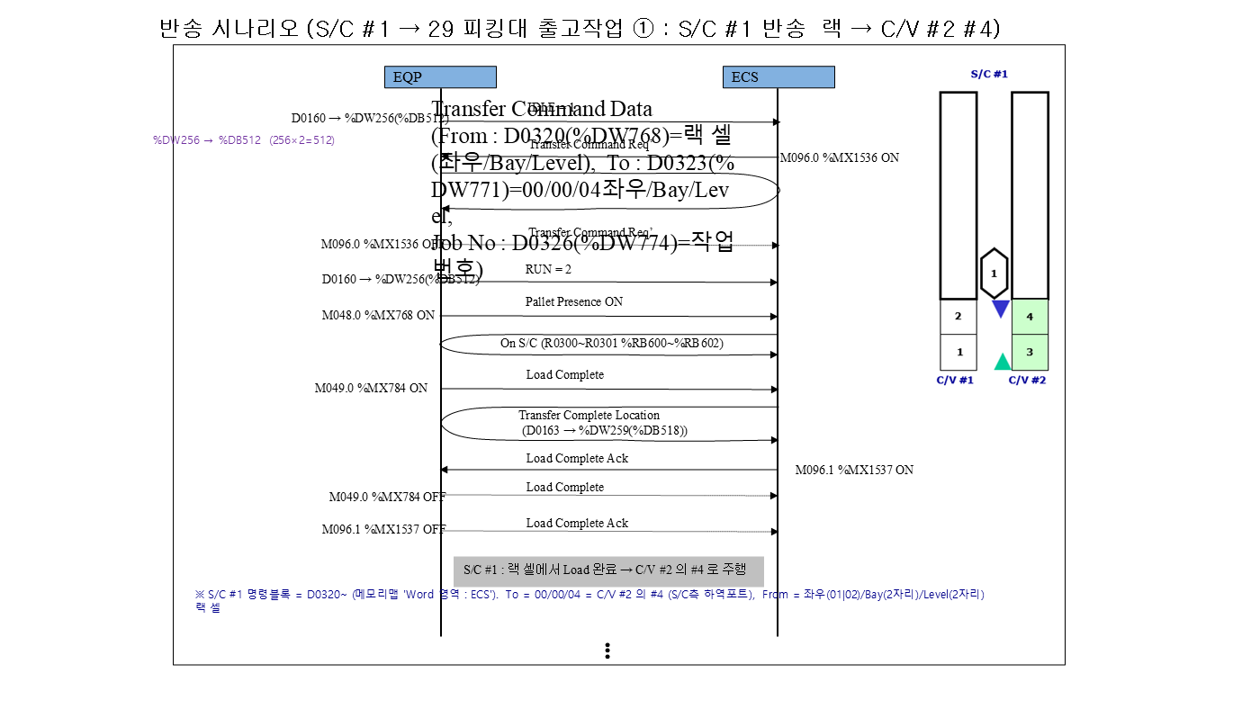
 | 21 |  | EQP BIT OFF | Load Complete #2 OFF | C/V #2 %MX292 | C/V #3 %MX324 | C/V #5 %MX388 | C/V #7 %MX452 | C/V #9 %MX516
 | 22 |  | WCS 값 | 방향 확인 - 출고 '1' | C/V #2 %DW481 | C/V #3 %DW482 | C/V #5 %DW484 | C/V #7 %DW486 | C/V #9 %DW488
 | 23 |  | WCS 값 | JOB NO 기록 (S/C측 위치) | C/V #2 %RB36 | C/V #3 %RB68 | C/V #5 %RB132 | C/V #7 %RB196 | C/V #9 %RB260
 | 24 |  | EQP BIT OFF | S/C측 Pallet Exist OFF (ID Shift) | C/V #2 %MX305 | C/V #3 %MX337 | C/V #5 %MX401 | C/V #7 %MX465 | C/V #9 %MX529
 | 25 |  | EQP BIT ON | RGV측 Pallet Exist ON (도착) | C/V #2 %MX304 | C/V #3 %MX336 | C/V #5 %MX400 | C/V #7 %MX464 | C/V #9 %MX528
 | 26 |  | WCS 값 | PLC ID Shift 결과 : JOB 이 RGV측으로 이동 | C/V #2 %RB32 | C/V #3 %RB64 | C/V #5 %RB128 | C/V #7 %RB192 | C/V #9 %RB256
 | 27 |  | EQP BIT ON | W.O 보고 (RGV Call) | C/V #2 %MX294 | C/V #3 %MX326 | C/V #5 %MX390 | C/V #7 %MX454 | C/V #9 %MX518
 | 28 |  | EQP BIT OFF | RGV측 Pallet Exist OFF (RGV Load 완료) | C/V #2 %MX304 | C/V #3 %MX336 | C/V #5 %MX400 | C/V #7 %MX464 | C/V #9 %MX528
 | 29 |  | EQP BIT ON | Unload Complete #1 ON (RGV 픽업) | C/V #2 %MX289 | C/V #3 %MX321 | C/V #5 %MX385 | C/V #7 %MX449 | C/V #9 %MX513
 | 30 |  | WCS BIT ON | Unload Complete Ack #1 ON (WCS) | C/V #2 %MX1297 | C/V #3 %MX1313 | C/V #5 %MX1345 | C/V #7 %MX1377 | C/V #9 %MX1409
 | 31 |  | EQP BIT OFF | Unload Complete #1 OFF | C/V #2 %MX289 | C/V #3 %MX321 | C/V #5 %MX385 | C/V #7 %MX449 | C/V #9 %MX513
 | 32 |  | EQP BIT OFF | W.O OFF | C/V #2 %MX294 | C/V #3 %MX326 | C/V #5 %MX390 | C/V #7 %MX454 | C/V #9 %MX518
 | 33 | RGV #1 | WCS 값 | IDLE=1 확인 | RGV #1 %DW336 | RGV #1 %DW336 | RGV #1 %DW336 | RGV #1 %DW336 | RGV #1 %DW336
 | 34 |  | WCS BIT ON | Transfer Command Req’ (WCS 지시) | RGV #1 %MX1616 | RGV #1 %MX1616 | RGV #1 %MX1616 | RGV #1 %MX1616 | RGV #1 %MX1616
 | 35 |  | WCS 값 | Transfer Command Data - From (픽업 포트) | RGV #1 %DW848 | RGV #1 %DW848 | RGV #1 %DW848 | RGV #1 %DW848 | RGV #1 %DW848
 | 36 |  | WCS 값 | Transfer Command Data - To (29 피킹대 #27) | RGV #1 %DW851 | RGV #1 %DW851 | RGV #1 %DW851 | RGV #1 %DW851 | RGV #1 %DW851
 | 37 |  | WCS 값 | Transfer Command Data - Job No | RGV #1 %DW854 | RGV #1 %DW854 | RGV #1 %DW854 | RGV #1 %DW854 | RGV #1 %DW854
 | 38 |  | EQP BIT ON | Pallet Presence ON (RGV 적재) | RGV #1 %MX928 | RGV #1 %MX928 | RGV #1 %MX928 | RGV #1 %MX928 | RGV #1 %MX928
 | 39 |  | WCS 값 | On RGV - 탑재 화물번호 | RGV #1 %RB1568 | RGV #1 %RB1568 | RGV #1 %RB1568 | RGV #1 %RB1568 | RGV #1 %RB1568
 | 40 |  | EQP BIT ON | Load Complete ON | RGV #1 %MX944 | RGV #1 %MX944 | RGV #1 %MX944 | RGV #1 %MX944 | RGV #1 %MX944
 | 41 |  | WCS BIT ON | Load Complete Ack ON (WCS) | RGV #1 %MX1617 | RGV #1 %MX1617 | RGV #1 %MX1617 | RGV #1 %MX1617 | RGV #1 %MX1617
① 구간 (2/2)
 | 42 |  | WCS 값 | Transfer Complete Location | RGV #1 %DW339 | RGV #1 %DW339 | RGV #1 %DW339 | RGV #1 %DW339 | RGV #1 %DW339
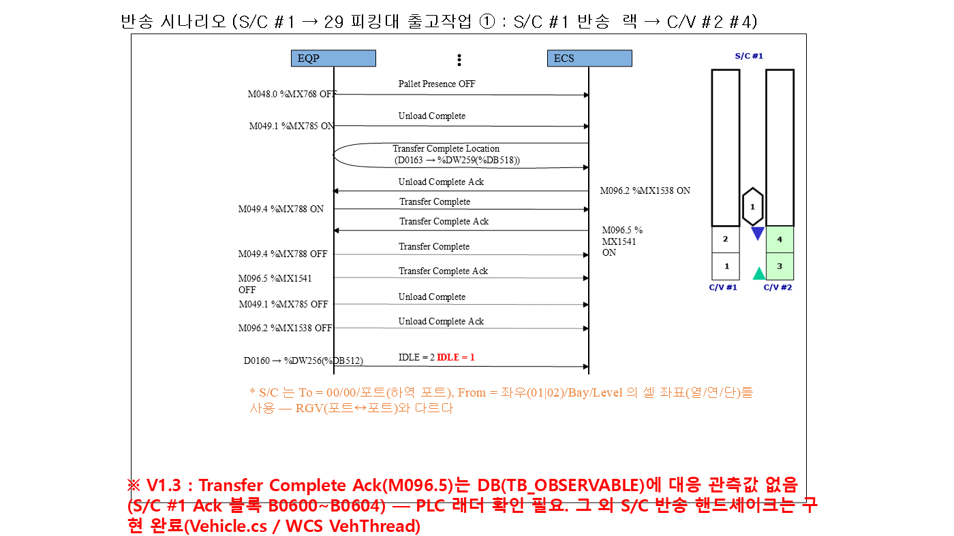
 | 43 |  | EQP BIT OFF | Load Complete OFF | RGV #1 %MX944 | RGV #1 %MX944 | RGV #1 %MX944 | RGV #1 %MX944 | RGV #1 %MX944
 | 44 |  | EQP BIT OFF | Pallet Presence OFF (하역) | RGV #1 %MX928 | RGV #1 %MX928 | RGV #1 %MX928 | RGV #1 %MX928 | RGV #1 %MX928
 | 45 |  | EQP BIT ON | Unload Complete ON | RGV #1 %MX945 | RGV #1 %MX945 | RGV #1 %MX945 | RGV #1 %MX945 | RGV #1 %MX945
 | 46 |  | WCS BIT ON | Unload Complete Ack ON (WCS) | RGV #1 %MX1618 | RGV #1 %MX1618 | RGV #1 %MX1618 | RGV #1 %MX1618 | RGV #1 %MX1618
 | 47 |  | EQP BIT OFF | Unload Complete OFF | RGV #1 %MX945 | RGV #1 %MX945 | RGV #1 %MX945 | RGV #1 %MX945 | RGV #1 %MX945
 | 48 |  | WCS 값 | IDLE 복귀 | RGV #1 %DW336 | RGV #1 %DW336 | RGV #1 %DW336 | RGV #1 %DW336 | RGV #1 %DW336
 | 49 | CV #14 | EQP BIT ON | 29 피킹대 RGV측 Pallet Exist ON (RGV 하역) | C/V #14 %MX688 | C/V #14 %MX688 | C/V #14 %MX688 | C/V #14 %MX688 | C/V #14 %MX688
 | 50 |  | EQP BIT ON | Load Complete #1 ON | C/V #14 %MX674 | C/V #14 %MX674 | C/V #14 %MX674 | C/V #14 %MX674 | C/V #14 %MX674
 | 51 |  | WCS BIT ON | Load Complete Ack #1 ON (WCS) | C/V #14 %MX1490 | C/V #14 %MX1490 | C/V #14 %MX1490 | C/V #14 %MX1490 | C/V #14 %MX1490
 | 52 |  | EQP BIT OFF | Load Complete #1 OFF | C/V #14 %MX674 | C/V #14 %MX674 | C/V #14 %MX674 | C/V #14 %MX674 | C/V #14 %MX674
 | 53 |  | WCS 값 | 방향 확인 - 출고 '1' | C/V #14 %DW493 | C/V #14 %DW493 | C/V #14 %DW493 | C/V #14 %DW493 | C/V #14 %DW493
 | 54 |  | WCS 값 | JOB NO 기록 (RGV측 위치) | C/V #14 %RB608 | C/V #14 %RB608 | C/V #14 %RB608 | C/V #14 %RB608 | C/V #14 %RB608
 | 55 |  | EQP BIT OFF | RGV측 Pallet Exist OFF (ID Shift) | C/V #14 %MX688 | C/V #14 %MX688 | C/V #14 %MX688 | C/V #14 %MX688 | C/V #14 %MX688
 | 56 |  | EQP BIT ON | 29 피킹대 반출 위치 Pallet Exist ON (도착) | C/V #14 %MX689 | C/V #14 %MX689 | C/V #14 %MX689 | C/V #14 %MX689 | C/V #14 %MX689
 | 57 |  | WCS 값 | PLC ID Shift 결과 : JOB 이 반출 위치로 이동 | C/V #14 %RB612 | C/V #14 %RB612 | C/V #14 %RB612 | C/V #14 %RB612 | C/V #14 %RB612
 | 58 |  | EQP BIT OFF | 29 피킹대 반출 완료 (작업자 회수) | C/V #14 %MX689 | C/V #14 %MX689 | C/V #14 %MX689 | C/V #14 %MX689 | C/V #14 %MX689

② 구간 (1/2)
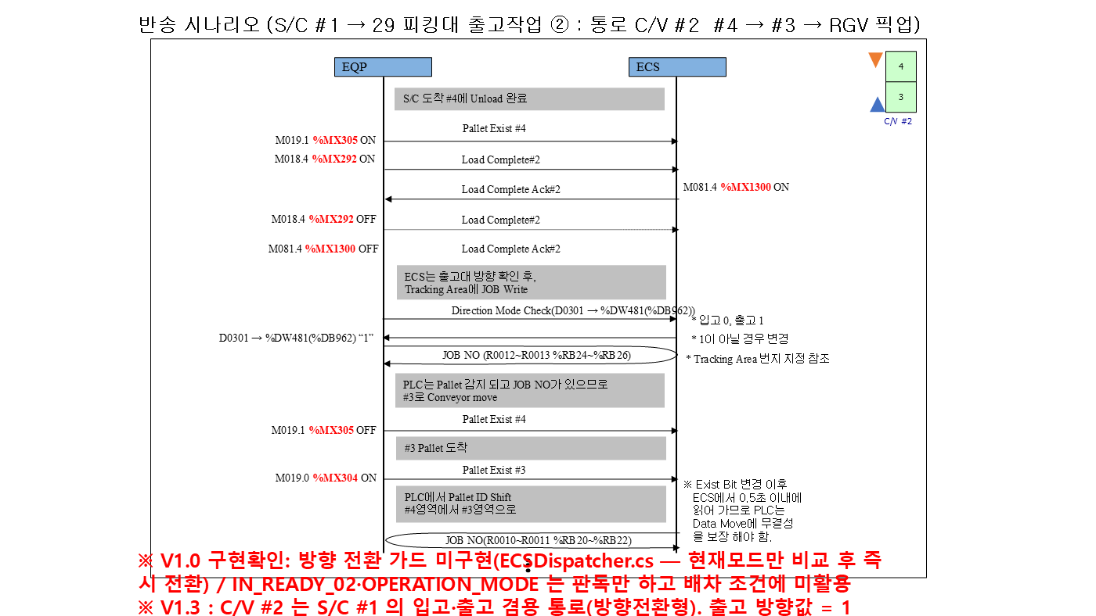

② 구간 (2/2)
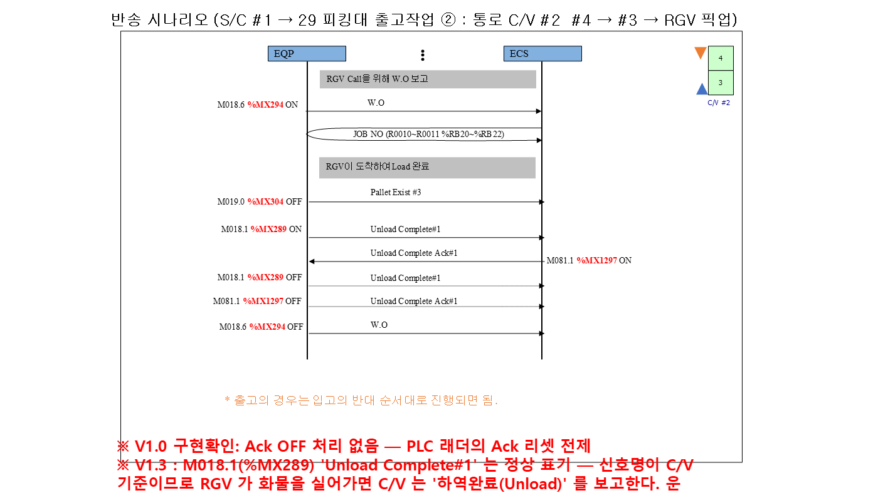

③ 구간 (1/2)
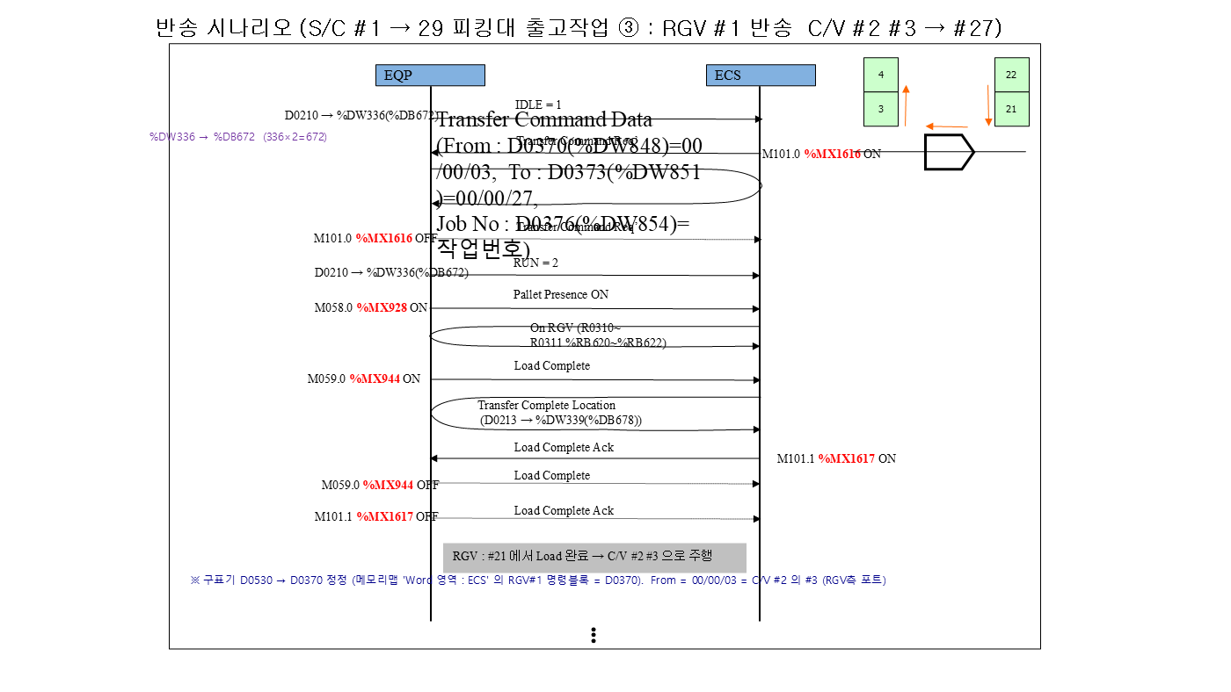

③ 구간 (2/2)

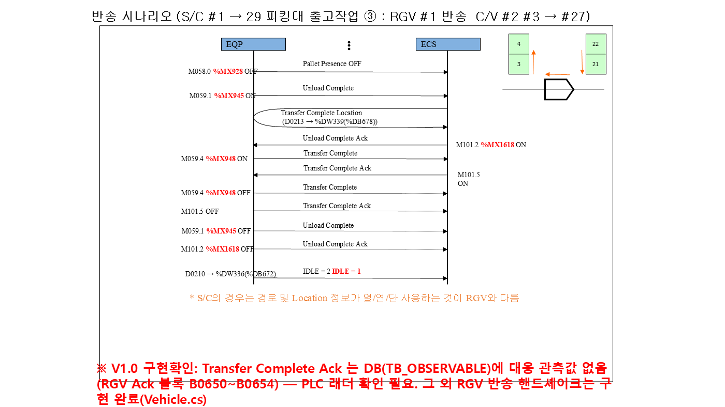

④ 구간 (1/2)
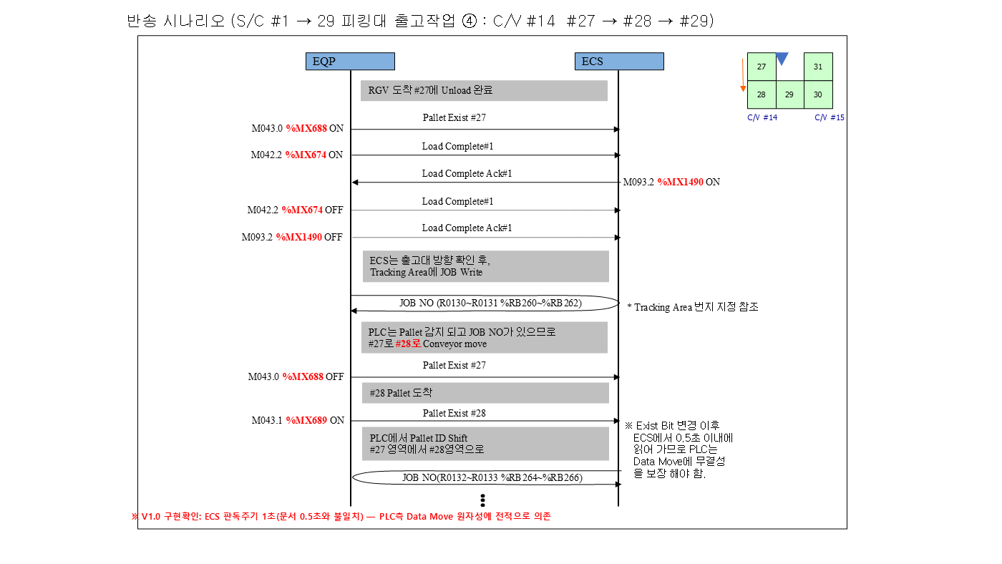

④ 구간 (2/2)

출고 SC #1 => TR #24
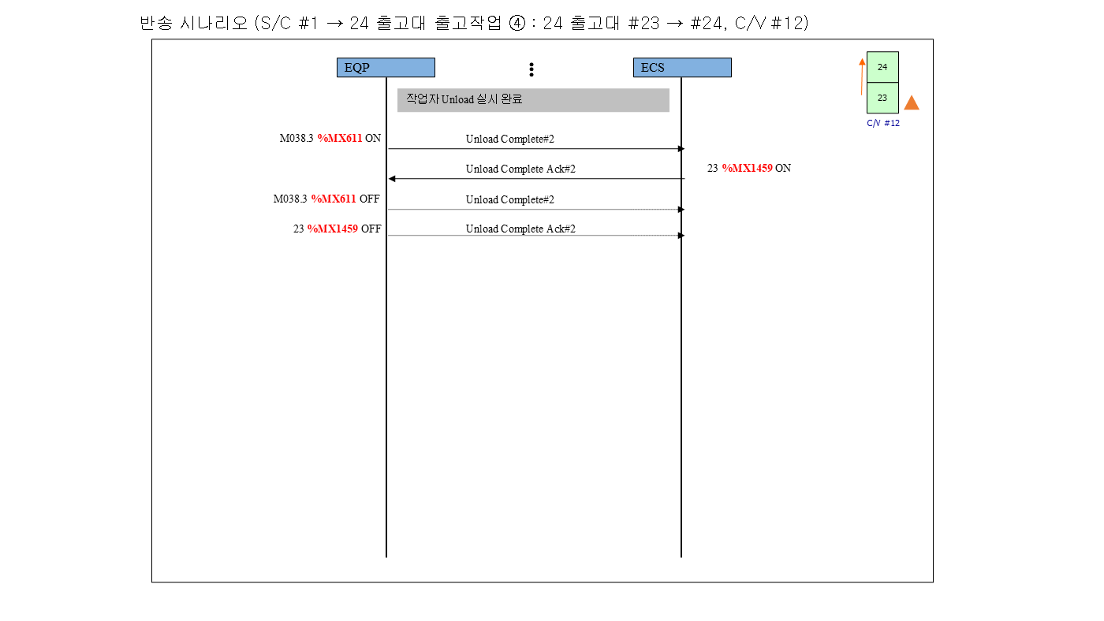

▼ 반송 시나리오 (시작 → 끝) — 시나리오 3-2 S/C → 24 출고대 출고 | S/C #1 → 출고대 #24(CV#12) 출고 작업
개요 + 구간 다이어그램 ①→④ (좌→우, 위→아래). 오른쪽 표의 '구간' 열과 대응한다.
 | # | 구간 | 주체 | 신호 / 설명 | 1호기 | 2호기 | 3호기 | 4호기 | 5호기
 | 1 | SC 반송 | WCS 값 | IDLE=1 확인 | S/C #1 %DW256 | S/C #2 %DW272 | S/C #3 %DW288 | S/C #4 %DW304 | S/C #5 %DW320
 | 2 |  | WCS BIT ON | Transfer Command Req’ (WCS 지시) | S/C #1 %MX1536 | S/C #2 %MX1552 | S/C #3 %MX1568 | S/C #4 %MX1584 | S/C #5 %MX1600
 | 3 |  | WCS 값 | Transfer Command Data - From (랙 셀) | S/C #1 %DW768 | S/C #2 %DW784 | S/C #3 %DW800 | S/C #4 %DW816 | S/C #5 %DW832
 | 4 |  | WCS 값 | Transfer Command Data - To (하역 포트) | S/C #1 %DW771 | S/C #2 %DW787 | S/C #3 %DW803 | S/C #4 %DW819 | S/C #5 %DW835
 | 5 |  | WCS 값 | Transfer Command Data - Job No | S/C #1 %DW774 | S/C #2 %DW790 | S/C #3 %DW806 | S/C #4 %DW822 | S/C #5 %DW838
 | 6 |  | EQP BIT ON | Pallet Presence ON (S/C 적재) | S/C #1 %MX768 | S/C #2 %MX800 | S/C #3 %MX832 | S/C #4 %MX864 | S/C #5 %MX896
 | 7 |  | WCS 값 | On S/C - 탑재 화물번호 | S/C #1 %RB1536 | S/C #2 %RB1540 | S/C #3 %RB1544 | S/C #4 %RB1548 | S/C #5 %RB1552
 | 8 |  | EQP BIT ON | Load Complete ON | S/C #1 %MX784 | S/C #2 %MX816 | S/C #3 %MX848 | S/C #4 %MX880 | S/C #5 %MX912
 | 9 |  | WCS BIT ON | Load Complete Ack ON (WCS) | S/C #1 %MX1537 | S/C #2 %MX1553 | S/C #3 %MX1569 | S/C #4 %MX1585 | S/C #5 %MX1601
 | 10 |  | WCS 값 | S/C 현재위치(열/연/단) | S/C #1 %DW262 | S/C #2 %DW278 | S/C #3 %DW294 | S/C #4 %DW310 | S/C #5 %DW326
 | 11 |  | EQP BIT OFF | Load Complete OFF | S/C #1 %MX784 | S/C #2 %MX816 | S/C #3 %MX848 | S/C #4 %MX880 | S/C #5 %MX912
 | 12 |  | EQP BIT OFF | Pallet Presence OFF (통로 C/V 하역 완료) | S/C #1 %MX768 | S/C #2 %MX800 | S/C #3 %MX832 | S/C #4 %MX864 | S/C #5 %MX896
① 구간 (1/2)
 | 13 |  | EQP BIT ON | Unload Complete ON | S/C #1 %MX785 | S/C #2 %MX817 | S/C #3 %MX849 | S/C #4 %MX881 | S/C #5 %MX913

 | 14 |  | WCS BIT ON | Unload Complete Ack ON (WCS) | S/C #1 %MX1538 | S/C #2 %MX1554 | S/C #3 %MX1570 | S/C #4 %MX1586 | S/C #5 %MX1602
 | 15 |  | WCS 값 | Transfer Complete Location | S/C #1 %DW259 | S/C #2 %DW275 | S/C #3 %DW291 | S/C #4 %DW307 | S/C #5 %DW323
 | 16 |  | EQP BIT OFF | Unload Complete OFF | S/C #1 %MX785 | S/C #2 %MX817 | S/C #3 %MX849 | S/C #4 %MX881 | S/C #5 %MX913
 | 17 |  | WCS 값 | IDLE 복귀 | S/C #1 %DW256 | S/C #2 %DW272 | S/C #3 %DW288 | S/C #4 %DW304 | S/C #5 %DW320
 | 18 | 통로 CV (CV #2, CV #3, CV #5, CV #7, CV #9) | EQP BIT ON | S/C측 Pallet Exist ON (S/C 하역 완료) | C/V #2 %MX305 | C/V #3 %MX337 | C/V #5 %MX401 | C/V #7 %MX465 | C/V #9 %MX529
 | 19 |  | EQP BIT ON | Load Complete #2 ON | C/V #2 %MX292 | C/V #3 %MX324 | C/V #5 %MX388 | C/V #7 %MX452 | C/V #9 %MX516
 | 20 |  | WCS BIT ON | Load Complete Ack #2 ON (WCS) | C/V #2 %MX1300 | C/V #3 %MX1316 | C/V #5 %MX1348 | C/V #7 %MX1380 | C/V #9 %MX1412
 | 21 |  | EQP BIT OFF | Load Complete #2 OFF | C/V #2 %MX292 | C/V #3 %MX324 | C/V #5 %MX388 | C/V #7 %MX452 | C/V #9 %MX516
 | 22 |  | WCS 값 | 방향 확인 - 출고 '1' | C/V #2 %DW481 | C/V #3 %DW482 | C/V #5 %DW484 | C/V #7 %DW486 | C/V #9 %DW488
 | 23 |  | WCS 값 | JOB NO 기록 (S/C측 위치) | C/V #2 %RB36 | C/V #3 %RB68 | C/V #5 %RB132 | C/V #7 %RB196 | C/V #9 %RB260
 | 24 |  | EQP BIT OFF | S/C측 Pallet Exist OFF (ID Shift) | C/V #2 %MX305 | C/V #3 %MX337 | C/V #5 %MX401 | C/V #7 %MX465 | C/V #9 %MX529
 | 25 |  | EQP BIT ON | RGV측 Pallet Exist ON (도착) | C/V #2 %MX304 | C/V #3 %MX336 | C/V #5 %MX400 | C/V #7 %MX464 | C/V #9 %MX528
 | 26 |  | WCS 값 | PLC ID Shift 결과 : JOB 이 RGV측으로 이동 | C/V #2 %RB32 | C/V #3 %RB64 | C/V #5 %RB128 | C/V #7 %RB192 | C/V #9 %RB256
 | 27 |  | EQP BIT ON | W.O 보고 (RGV Call) | C/V #2 %MX294 | C/V #3 %MX326 | C/V #5 %MX390 | C/V #7 %MX454 | C/V #9 %MX518
① 구간 (2/2)
 | 28 |  | EQP BIT OFF | RGV측 Pallet Exist OFF (RGV Load 완료) | C/V #2 %MX304 | C/V #3 %MX336 | C/V #5 %MX400 | C/V #7 %MX464 | C/V #9 %MX528

 | 29 |  | EQP BIT ON | Unload Complete #1 ON (RGV 픽업) | C/V #2 %MX289 | C/V #3 %MX321 | C/V #5 %MX385 | C/V #7 %MX449 | C/V #9 %MX513
 | 30 |  | WCS BIT ON | Unload Complete Ack #1 ON (WCS) | C/V #2 %MX1297 | C/V #3 %MX1313 | C/V #5 %MX1345 | C/V #7 %MX1377 | C/V #9 %MX1409
 | 31 |  | EQP BIT OFF | Unload Complete #1 OFF | C/V #2 %MX289 | C/V #3 %MX321 | C/V #5 %MX385 | C/V #7 %MX449 | C/V #9 %MX513
 | 32 |  | EQP BIT OFF | W.O OFF | C/V #2 %MX294 | C/V #3 %MX326 | C/V #5 %MX390 | C/V #7 %MX454 | C/V #9 %MX518
 | 33 | RGV #1 | WCS 값 | IDLE=1 확인 | RGV #1 %DW336 | RGV #1 %DW336 | RGV #1 %DW336 | RGV #1 %DW336 | RGV #1 %DW336
 | 34 |  | WCS BIT ON | Transfer Command Req’ (WCS 지시) | RGV #1 %MX1616 | RGV #1 %MX1616 | RGV #1 %MX1616 | RGV #1 %MX1616 | RGV #1 %MX1616
 | 35 |  | WCS 값 | Transfer Command Data - From (픽업 포트) | RGV #1 %DW848 | RGV #1 %DW848 | RGV #1 %DW848 | RGV #1 %DW848 | RGV #1 %DW848
 | 36 |  | WCS 값 | Transfer Command Data - To (24 출고대 #23) | RGV #1 %DW851 | RGV #1 %DW851 | RGV #1 %DW851 | RGV #1 %DW851 | RGV #1 %DW851
 | 37 |  | WCS 값 | Transfer Command Data - Job No | RGV #1 %DW854 | RGV #1 %DW854 | RGV #1 %DW854 | RGV #1 %DW854 | RGV #1 %DW854
 | 38 |  | EQP BIT ON | Pallet Presence ON (RGV 적재) | RGV #1 %MX928 | RGV #1 %MX928 | RGV #1 %MX928 | RGV #1 %MX928 | RGV #1 %MX928
 | 39 |  | WCS 값 | On RGV - 탑재 화물번호 | RGV #1 %RB1568 | RGV #1 %RB1568 | RGV #1 %RB1568 | RGV #1 %RB1568 | RGV #1 %RB1568
 | 40 |  | EQP BIT ON | Load Complete ON | RGV #1 %MX944 | RGV #1 %MX944 | RGV #1 %MX944 | RGV #1 %MX944 | RGV #1 %MX944
 | 41 |  | WCS BIT ON | Load Complete Ack ON (WCS) | RGV #1 %MX1617 | RGV #1 %MX1617 | RGV #1 %MX1617 | RGV #1 %MX1617 | RGV #1 %MX1617
 | 42 |  | WCS 값 | Transfer Complete Location | RGV #1 %DW339 | RGV #1 %DW339 | RGV #1 %DW339 | RGV #1 %DW339 | RGV #1 %DW339
② 구간 (1/2)
 | 43 |  | EQP BIT OFF | Load Complete OFF | RGV #1 %MX944 | RGV #1 %MX944 | RGV #1 %MX944 | RGV #1 %MX944 | RGV #1 %MX944

 | 44 |  | EQP BIT OFF | Pallet Presence OFF (하역) | RGV #1 %MX928 | RGV #1 %MX928 | RGV #1 %MX928 | RGV #1 %MX928 | RGV #1 %MX928
 | 45 |  | EQP BIT ON | Unload Complete ON | RGV #1 %MX945 | RGV #1 %MX945 | RGV #1 %MX945 | RGV #1 %MX945 | RGV #1 %MX945
 | 46 |  | WCS BIT ON | Unload Complete Ack ON (WCS) | RGV #1 %MX1618 | RGV #1 %MX1618 | RGV #1 %MX1618 | RGV #1 %MX1618 | RGV #1 %MX1618
 | 47 |  | EQP BIT OFF | Unload Complete OFF | RGV #1 %MX945 | RGV #1 %MX945 | RGV #1 %MX945 | RGV #1 %MX945 | RGV #1 %MX945
 | 48 |  | WCS 값 | IDLE 복귀 | RGV #1 %DW336 | RGV #1 %DW336 | RGV #1 %DW336 | RGV #1 %DW336 | RGV #1 %DW336
 | 49 | CV #12 | EQP BIT ON | 24 출고대 RGV측 Pallet Exist ON (RGV 하역) | C/V #12 %MX624 | C/V #12 %MX624 | C/V #12 %MX624 | C/V #12 %MX624 | C/V #12 %MX624
 | 50 |  | EQP BIT ON | Load Complete #1 ON | C/V #12 %MX610 | C/V #12 %MX610 | C/V #12 %MX610 | C/V #12 %MX610 | C/V #12 %MX610
 | 51 |  | WCS BIT ON | Load Complete Ack #1 ON (WCS) | C/V #12 %MX1458 | C/V #12 %MX1458 | C/V #12 %MX1458 | C/V #12 %MX1458 | C/V #12 %MX1458
 | 52 |  | EQP BIT OFF | Load Complete #1 OFF | C/V #12 %MX610 | C/V #12 %MX610 | C/V #12 %MX610 | C/V #12 %MX610 | C/V #12 %MX610
 | 53 |  | WCS 값 | 방향 확인 - 출고 '1' | C/V #12 %DW491 | C/V #12 %DW491 | C/V #12 %DW491 | C/V #12 %DW491 | C/V #12 %DW491
 | 54 |  | WCS 값 | JOB NO 기록 (RGV측 위치) | C/V #12 %RB544 | C/V #12 %RB544 | C/V #12 %RB544 | C/V #12 %RB544 | C/V #12 %RB544
 | 55 |  | EQP BIT OFF | RGV측 Pallet Exist OFF (ID Shift) | C/V #12 %MX624 | C/V #12 %MX624 | C/V #12 %MX624 | C/V #12 %MX624 | C/V #12 %MX624
 | 56 |  | EQP BIT ON | 24 출고대 반출 위치 Pallet Exist ON (도착) | C/V #12 %MX625 | C/V #12 %MX625 | C/V #12 %MX625 | C/V #12 %MX625 | C/V #12 %MX625
 | 57 |  | WCS 값 | PLC ID Shift 결과 : JOB 이 반출 위치로 이동 | C/V #12 %RB548 | C/V #12 %RB548 | C/V #12 %RB548 | C/V #12 %RB548 | C/V #12 %RB548
② 구간 (2/2)
 | 58 |  | EQP BIT OFF | 24 출고대 반출 완료 (작업자 회수) | C/V #12 %MX625 | C/V #12 %MX625 | C/V #12 %MX625 | C/V #12 %MX625 | C/V #12 %MX625


③ 구간 (1/2)


③ 구간 (2/2)


④ 구간 (1/2)
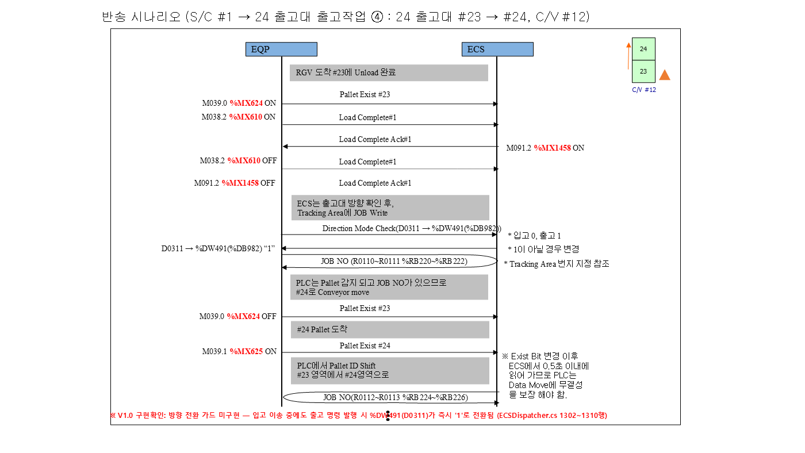

④ 구간 (2/2)

출고 SC #1 => TR #22
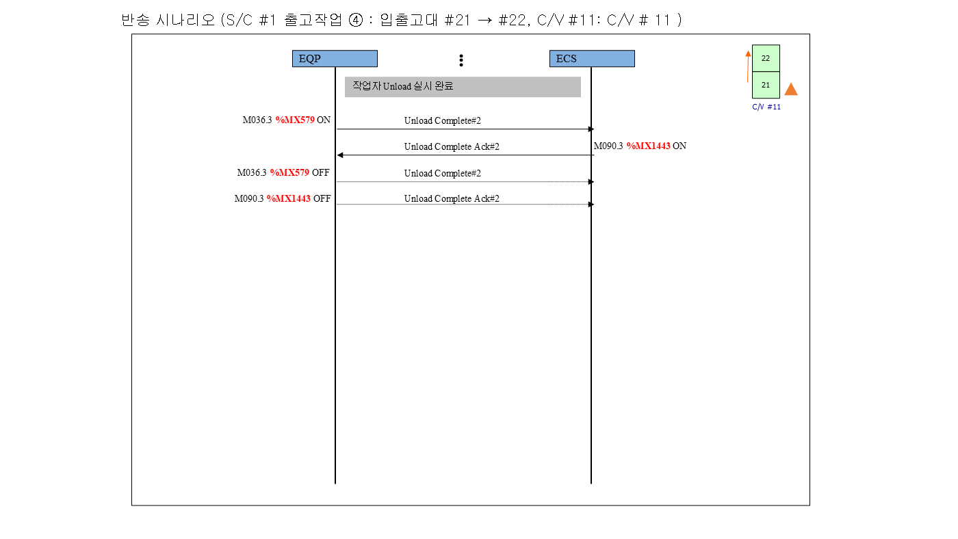

▼ 반송 시나리오 (시작 → 끝) — 시나리오 2 S/C → 입출고대 #22 출고 | S/C #1 → 입출고대 #22(CV#11) 출고 작업
개요 + 구간 다이어그램 ①→④ (좌→우, 위→아래). 오른쪽 표의 '구간' 열과 대응한다.
 | # | 구간 | 주체 | 신호 / 설명 | 1호기 | 2호기 | 3호기 | 4호기 | 5호기
 | 1 | SC 반송 | WCS 값 | IDLE=1 확인 | S/C #1 %DW256 | S/C #2 %DW272 | S/C #3 %DW288 | S/C #4 %DW304 | S/C #5 %DW320
 | 2 |  | WCS BIT ON | Transfer Command Req’ (WCS 지시) | S/C #1 %MX1536 | S/C #2 %MX1552 | S/C #3 %MX1568 | S/C #4 %MX1584 | S/C #5 %MX1600
 | 3 |  | WCS 값 | Transfer Command Data - From (랙 셀) | S/C #1 %DW768 | S/C #2 %DW784 | S/C #3 %DW800 | S/C #4 %DW816 | S/C #5 %DW832
 | 4 |  | WCS 값 | Transfer Command Data - To (하역 포트) | S/C #1 %DW771 | S/C #2 %DW787 | S/C #3 %DW803 | S/C #4 %DW819 | S/C #5 %DW835
 | 5 |  | WCS 값 | Transfer Command Data - Job No | S/C #1 %DW774 | S/C #2 %DW790 | S/C #3 %DW806 | S/C #4 %DW822 | S/C #5 %DW838
 | 6 |  | EQP BIT ON | Pallet Presence ON (S/C 적재) | S/C #1 %MX768 | S/C #2 %MX800 | S/C #3 %MX832 | S/C #4 %MX864 | S/C #5 %MX896
 | 7 |  | WCS 값 | On S/C - 탑재 화물번호 | S/C #1 %RB1536 | S/C #2 %RB1540 | S/C #3 %RB1544 | S/C #4 %RB1548 | S/C #5 %RB1552
 | 8 |  | EQP BIT ON | Load Complete ON | S/C #1 %MX784 | S/C #2 %MX816 | S/C #3 %MX848 | S/C #4 %MX880 | S/C #5 %MX912
 | 9 |  | WCS BIT ON | Load Complete Ack ON (WCS) | S/C #1 %MX1537 | S/C #2 %MX1553 | S/C #3 %MX1569 | S/C #4 %MX1585 | S/C #5 %MX1601
 | 10 |  | WCS 값 | S/C 현재위치(열/연/단) | S/C #1 %DW262 | S/C #2 %DW278 | S/C #3 %DW294 | S/C #4 %DW310 | S/C #5 %DW326
 | 11 |  | EQP BIT OFF | Load Complete OFF | S/C #1 %MX784 | S/C #2 %MX816 | S/C #3 %MX848 | S/C #4 %MX880 | S/C #5 %MX912
 | 12 |  | EQP BIT OFF | Pallet Presence OFF (통로 C/V 하역 완료) | S/C #1 %MX768 | S/C #2 %MX800 | S/C #3 %MX832 | S/C #4 %MX864 | S/C #5 %MX896
① 구간 (1/2)
 | 13 |  | EQP BIT ON | Unload Complete ON | S/C #1 %MX785 | S/C #2 %MX817 | S/C #3 %MX849 | S/C #4 %MX881 | S/C #5 %MX913
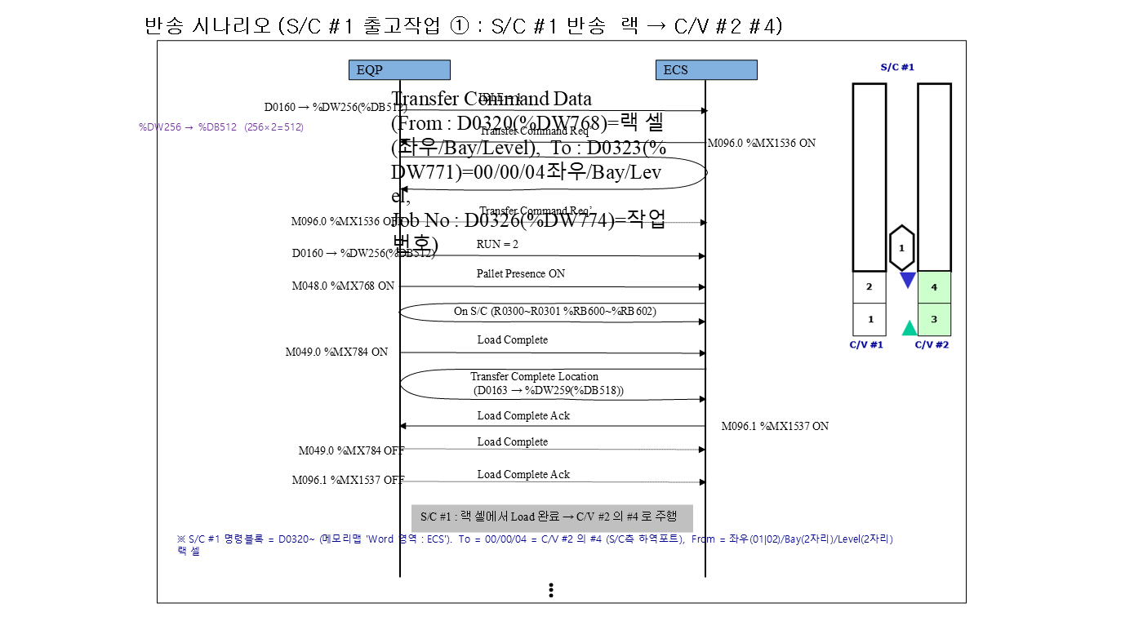
 | 14 |  | WCS BIT ON | Unload Complete Ack ON (WCS) | S/C #1 %MX1538 | S/C #2 %MX1554 | S/C #3 %MX1570 | S/C #4 %MX1586 | S/C #5 %MX1602
 | 15 |  | WCS 값 | Transfer Complete Location | S/C #1 %DW259 | S/C #2 %DW275 | S/C #3 %DW291 | S/C #4 %DW307 | S/C #5 %DW323
 | 16 |  | EQP BIT OFF | Unload Complete OFF | S/C #1 %MX785 | S/C #2 %MX817 | S/C #3 %MX849 | S/C #4 %MX881 | S/C #5 %MX913
 | 17 |  | WCS 값 | IDLE 복귀 | S/C #1 %DW256 | S/C #2 %DW272 | S/C #3 %DW288 | S/C #4 %DW304 | S/C #5 %DW320
 | 18 | 통로 CV (CV #2, CV #3, CV #5, CV #7, CV #9) | EQP BIT ON | S/C측 Pallet Exist ON (S/C 하역 완료) | C/V #2 %MX305 | C/V #3 %MX337 | C/V #5 %MX401 | C/V #7 %MX465 | C/V #9 %MX529
 | 19 |  | EQP BIT ON | Load Complete #2 ON | C/V #2 %MX292 | C/V #3 %MX324 | C/V #5 %MX388 | C/V #7 %MX452 | C/V #9 %MX516
 | 20 |  | WCS BIT ON | Load Complete Ack #2 ON (WCS) | C/V #2 %MX1300 | C/V #3 %MX1316 | C/V #5 %MX1348 | C/V #7 %MX1380 | C/V #9 %MX1412
 | 21 |  | EQP BIT OFF | Load Complete #2 OFF | C/V #2 %MX292 | C/V #3 %MX324 | C/V #5 %MX388 | C/V #7 %MX452 | C/V #9 %MX516
 | 22 |  | WCS 값 | 방향 확인 - 출고 '1' | C/V #2 %DW481 | C/V #3 %DW482 | C/V #5 %DW484 | C/V #7 %DW486 | C/V #9 %DW488
 | 23 |  | WCS 값 | JOB NO 기록 (S/C측 위치) | C/V #2 %RB36 | C/V #3 %RB68 | C/V #5 %RB132 | C/V #7 %RB196 | C/V #9 %RB260
 | 24 |  | EQP BIT OFF | S/C측 Pallet Exist OFF (ID Shift) | C/V #2 %MX305 | C/V #3 %MX337 | C/V #5 %MX401 | C/V #7 %MX465 | C/V #9 %MX529
 | 25 |  | EQP BIT ON | RGV측 Pallet Exist ON (도착) | C/V #2 %MX304 | C/V #3 %MX336 | C/V #5 %MX400 | C/V #7 %MX464 | C/V #9 %MX528
 | 26 |  | WCS 값 | PLC ID Shift 결과 : JOB 이 RGV측으로 이동 | C/V #2 %RB32 | C/V #3 %RB64 | C/V #5 %RB128 | C/V #7 %RB192 | C/V #9 %RB256
 | 27 |  | EQP BIT ON | W.O 보고 (RGV Call) | C/V #2 %MX294 | C/V #3 %MX326 | C/V #5 %MX390 | C/V #7 %MX454 | C/V #9 %MX518
① 구간 (2/2)
 | 28 |  | EQP BIT OFF | RGV측 Pallet Exist OFF (RGV Load 완료) | C/V #2 %MX304 | C/V #3 %MX336 | C/V #5 %MX400 | C/V #7 %MX464 | C/V #9 %MX528

 | 29 |  | EQP BIT ON | Unload Complete #1 ON (RGV 픽업) | C/V #2 %MX289 | C/V #3 %MX321 | C/V #5 %MX385 | C/V #7 %MX449 | C/V #9 %MX513
 | 30 |  | WCS BIT ON | Unload Complete Ack #1 ON (WCS) | C/V #2 %MX1297 | C/V #3 %MX1313 | C/V #5 %MX1345 | C/V #7 %MX1377 | C/V #9 %MX1409
 | 31 |  | EQP BIT OFF | Unload Complete #1 OFF | C/V #2 %MX289 | C/V #3 %MX321 | C/V #5 %MX385 | C/V #7 %MX449 | C/V #9 %MX513
 | 32 |  | EQP BIT OFF | W.O OFF | C/V #2 %MX294 | C/V #3 %MX326 | C/V #5 %MX390 | C/V #7 %MX454 | C/V #9 %MX518
 | 33 | RGV #1 | WCS 값 | IDLE=1 확인 | RGV #1 %DW336 | RGV #1 %DW336 | RGV #1 %DW336 | RGV #1 %DW336 | RGV #1 %DW336
 | 34 |  | WCS BIT ON | Transfer Command Req’ (WCS 지시) | RGV #1 %MX1616 | RGV #1 %MX1616 | RGV #1 %MX1616 | RGV #1 %MX1616 | RGV #1 %MX1616
 | 35 |  | WCS 값 | Transfer Command Data - From (픽업 포트) | RGV #1 %DW848 | RGV #1 %DW848 | RGV #1 %DW848 | RGV #1 %DW848 | RGV #1 %DW848
 | 36 |  | WCS 값 | Transfer Command Data - To (입출고대 #21) | RGV #1 %DW851 | RGV #1 %DW851 | RGV #1 %DW851 | RGV #1 %DW851 | RGV #1 %DW851
 | 37 |  | WCS 값 | Transfer Command Data - Job No | RGV #1 %DW854 | RGV #1 %DW854 | RGV #1 %DW854 | RGV #1 %DW854 | RGV #1 %DW854
 | 38 |  | EQP BIT ON | Pallet Presence ON (RGV 적재) | RGV #1 %MX928 | RGV #1 %MX928 | RGV #1 %MX928 | RGV #1 %MX928 | RGV #1 %MX928
 | 39 |  | WCS 값 | On RGV - 탑재 화물번호 | RGV #1 %RB1568 | RGV #1 %RB1568 | RGV #1 %RB1568 | RGV #1 %RB1568 | RGV #1 %RB1568
 | 40 |  | EQP BIT ON | Load Complete ON | RGV #1 %MX944 | RGV #1 %MX944 | RGV #1 %MX944 | RGV #1 %MX944 | RGV #1 %MX944
 | 41 |  | WCS BIT ON | Load Complete Ack ON (WCS) | RGV #1 %MX1617 | RGV #1 %MX1617 | RGV #1 %MX1617 | RGV #1 %MX1617 | RGV #1 %MX1617
 | 42 |  | WCS 값 | Transfer Complete Location | RGV #1 %DW339 | RGV #1 %DW339 | RGV #1 %DW339 | RGV #1 %DW339 | RGV #1 %DW339
② 구간 (1/2)
 | 43 |  | EQP BIT OFF | Load Complete OFF | RGV #1 %MX944 | RGV #1 %MX944 | RGV #1 %MX944 | RGV #1 %MX944 | RGV #1 %MX944
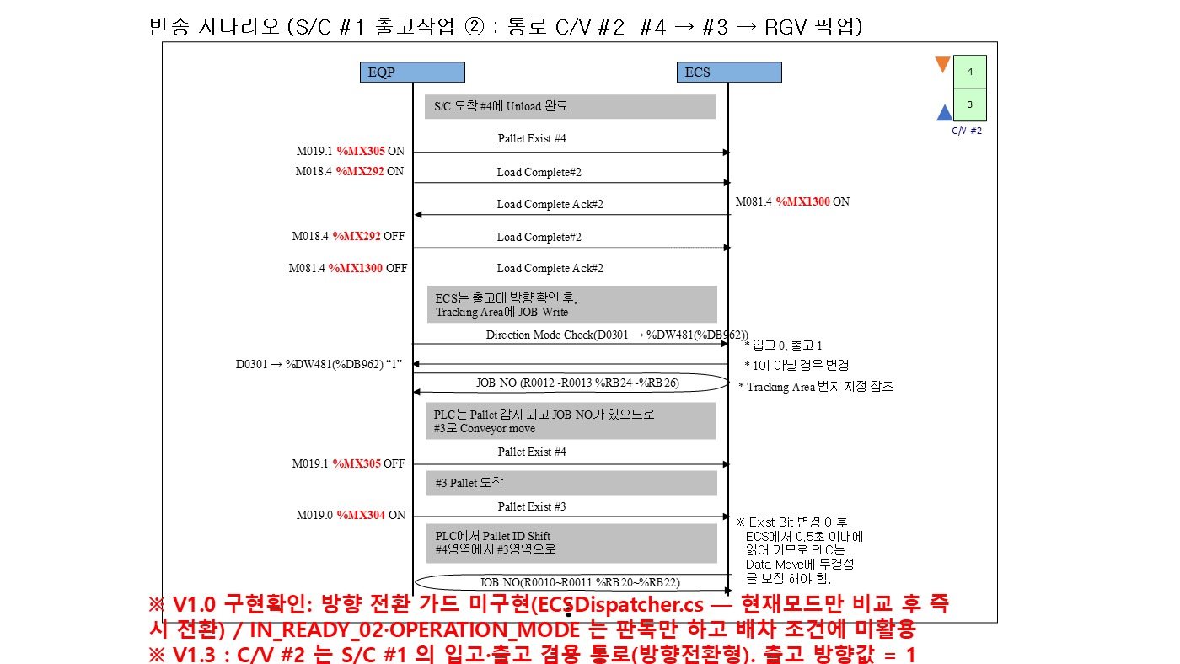
 | 44 |  | EQP BIT OFF | Pallet Presence OFF (하역) | RGV #1 %MX928 | RGV #1 %MX928 | RGV #1 %MX928 | RGV #1 %MX928 | RGV #1 %MX928
 | 45 |  | EQP BIT ON | Unload Complete ON | RGV #1 %MX945 | RGV #1 %MX945 | RGV #1 %MX945 | RGV #1 %MX945 | RGV #1 %MX945
 | 46 |  | WCS BIT ON | Unload Complete Ack ON (WCS) | RGV #1 %MX1618 | RGV #1 %MX1618 | RGV #1 %MX1618 | RGV #1 %MX1618 | RGV #1 %MX1618
 | 47 |  | EQP BIT OFF | Unload Complete OFF | RGV #1 %MX945 | RGV #1 %MX945 | RGV #1 %MX945 | RGV #1 %MX945 | RGV #1 %MX945
 | 48 |  | WCS 값 | IDLE 복귀 | RGV #1 %DW336 | RGV #1 %DW336 | RGV #1 %DW336 | RGV #1 %DW336 | RGV #1 %DW336
 | 49 | CV #11 | EQP BIT ON | 입출고대 RGV측 Pallet Exist ON (RGV 하역) | C/V #11 %MX592 | C/V #11 %MX592 | C/V #11 %MX592 | C/V #11 %MX592 | C/V #11 %MX592
 | 50 |  | EQP BIT ON | Load Complete #1 ON | C/V #11 %MX578 | C/V #11 %MX578 | C/V #11 %MX578 | C/V #11 %MX578 | C/V #11 %MX578
 | 51 |  | WCS BIT ON | Load Complete Ack #1 ON (WCS) | C/V #11 %MX1442 | C/V #11 %MX1442 | C/V #11 %MX1442 | C/V #11 %MX1442 | C/V #11 %MX1442
 | 52 |  | EQP BIT OFF | Load Complete #1 OFF | C/V #11 %MX578 | C/V #11 %MX578 | C/V #11 %MX578 | C/V #11 %MX578 | C/V #11 %MX578
 | 53 |  | WCS 값 | 방향 확인 - 출고 '1' | C/V #11 %DW490 | C/V #11 %DW490 | C/V #11 %DW490 | C/V #11 %DW490 | C/V #11 %DW490
 | 54 |  | WCS 값 | JOB NO 기록 (RGV측 위치) | C/V #11 %RB512 | C/V #11 %RB512 | C/V #11 %RB512 | C/V #11 %RB512 | C/V #11 %RB512
 | 55 |  | EQP BIT OFF | RGV측 Pallet Exist OFF (ID Shift) | C/V #11 %MX592 | C/V #11 %MX592 | C/V #11 %MX592 | C/V #11 %MX592 | C/V #11 %MX592
 | 56 |  | EQP BIT ON | 입출고대 반출 위치 Pallet Exist ON (도착) | C/V #11 %MX593 | C/V #11 %MX593 | C/V #11 %MX593 | C/V #11 %MX593 | C/V #11 %MX593
 | 57 |  | WCS 값 | PLC ID Shift 결과 : JOB 이 반출 위치로 이동 | C/V #11 %RB516 | C/V #11 %RB516 | C/V #11 %RB516 | C/V #11 %RB516 | C/V #11 %RB516
② 구간 (2/2)
 | 58 |  | EQP BIT OFF | 입출고대 반출 완료 (작업자 회수) | C/V #11 %MX593 | C/V #11 %MX593 | C/V #11 %MX593 | C/V #11 %MX593 | C/V #11 %MX593
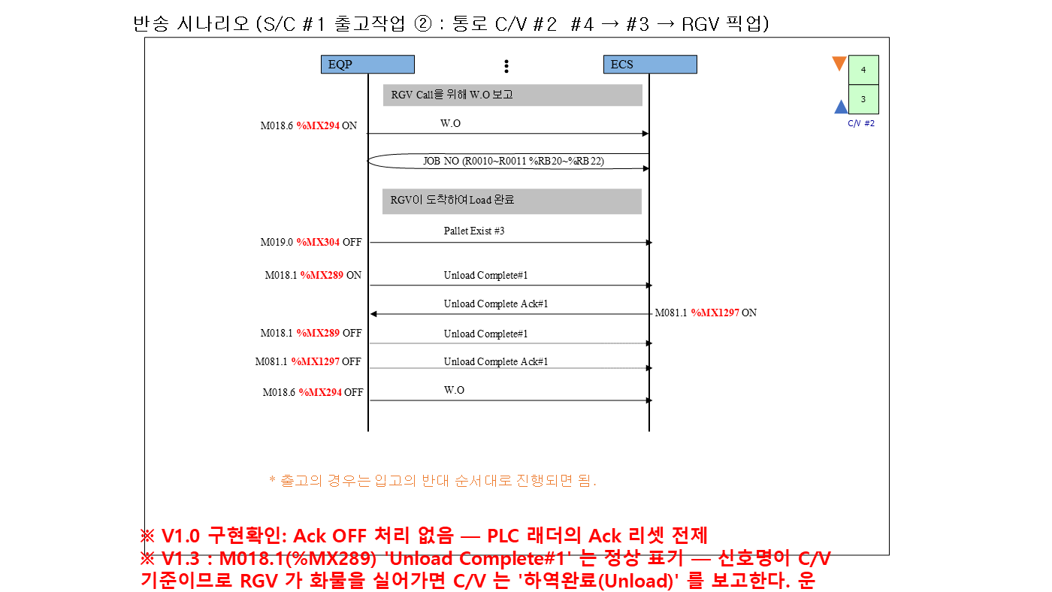

③ 구간 (1/2)



③ 구간 (2/2)


④ 구간 (1/2)
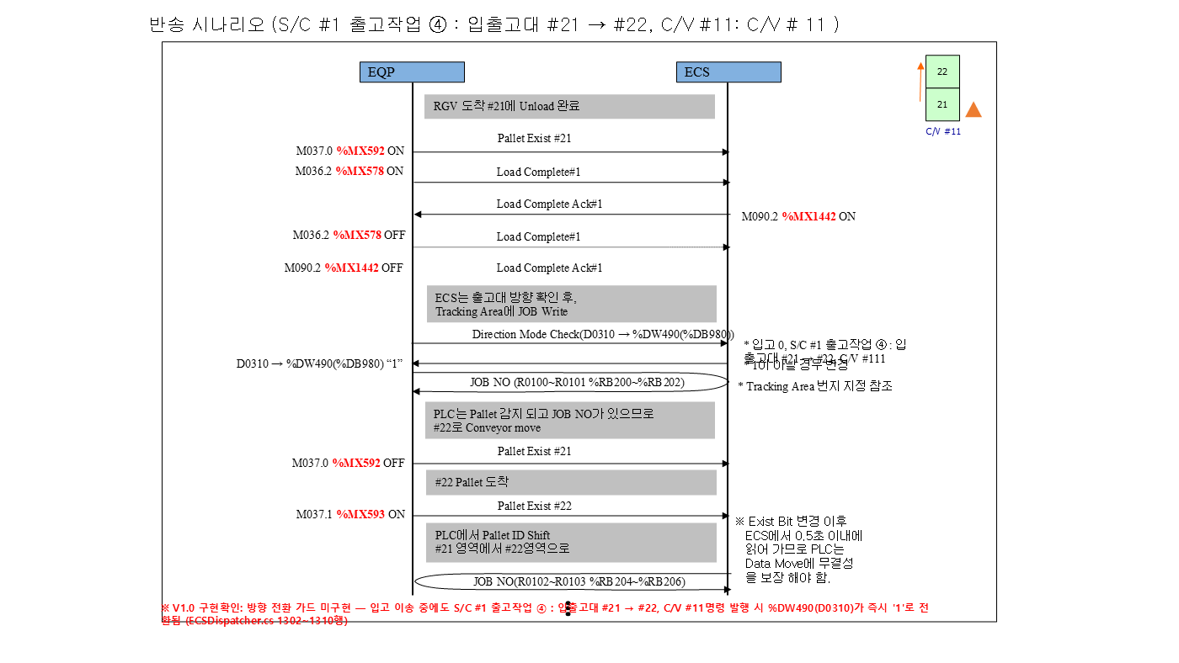

④ 구간 (2/2)

